M&A Analysis
Merger Analysis
Workout Information

Workout 1
 | Calculate equity purchase price for Frogner using the following assumptions

 |  | Entry
 | Current share price | 34.15
 | Offer premium | 25.0%
 | Basic shares outstanding | 1,000.0
 | Weighted average shares outstanding | 1,050.0
 | Options outstanding | 220.0
 | Options strike price | 37.25
 | Restricted stock units outstanding | 100.0

 | Offer price | 42.69
 | Basic shares outstanding | 1,000.00
 | Dilution from options | 28.0
 | Dilution from restricted stock units | 100.0
 | Diluted shares outstanding | 1,128.0
 | Equity purchase price | 48,152.5

Workout 2
 | Calculate equity purchase price for Holmenkollen Pharma using information below.

 | Current share price | 5.06
 | Offer premium | 30.0%
 | Basic shares outstanding (mm) | 261.180
 | Assume average strike price for any outstanding options is 0.756

 | Options outstanding are detailed below.

 | Current share price | 5.06
 | Offer premium | 30.0%
 | Offer price | 6.58
 | Number of options (mm) | 8.432
 | Options strike price | 0.76
 | Dilution from options | 7.5
 | Basic shares outstanding (mm) | 261.2
 | Diluted shares outstanding (mm) | 268.6
 | Equity purchase price | 1,767.1

Workout 3
 | Using your answer to the previous question and the most recent balance sheet below, calculate acquisition enterprise value for Holmenkollen Pharma.
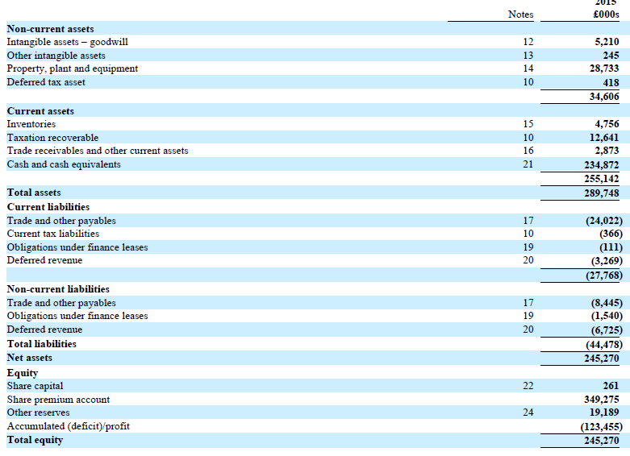

 | Acquisition equity value (from previous question) | 1,767.1
 | Obligations under capital leases - short term | 0.1
 | Obligations under capital leases - long term | 1.5
 | Cash and equivalents | 234.9
 | Acquisition enterprise value | 1,533.9

Workout 4
 | Calculate acquisition enterprise value for Olaf Inc., using the information below.
 | Assume there is no adjustment required for pension plan assets and liabilities.
 | Provisions, other assets and other liabilities are operating.

 | Current share price | 251.50
 | Offer premium | 35.0%
 | Basic shares outstanding - class A (millions) | 160.0
 | Basic shares outstanding - class B (millions) | 702.6

 | Restricted stock units at latest balance sheet date

 | Options outstanding

 | Latest balance sheet (millions)
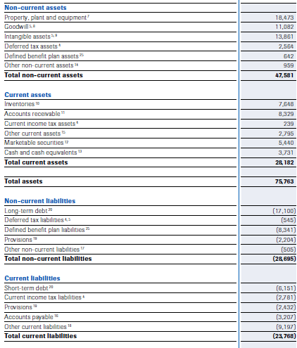

 | Current share price | 251.5
 | Offer premium | 35.0%
 | Offer price | 339.5

 | Basic shares outstanding - class A (millions) | 160.0
 | Basic shares outstanding - class B (millions) | 702.6
 | Basis shares outstanding | 862.6

 | Options outstanding | 0.8
 | Options strike price | 203.49
 | Dilution from options | 0.3

 | Dilution from restricted stock units | 2.0

 | Diluted shares outstanding | 864.8
 | Equity purchase price | 293,632.4
 | Marketable securities | 5,440.0
 | Cash and cash equivalents | 3,731.0
 | Long term debt | 17,100.0
 | Short term debt | 6,151.0
 | Enterprise value | 307,712.4

Workout 5
 | The equity of Nordstrand Plc. was acquired for 2,000.0
 | The acquirer used 30.0% equity financing to complete the acquisition.
 | Assume that Nordstrand net debt was not refinanced, there was no advisory fees, and no cash was used in the acquisition.
 | Construct the sources and uses of funds table.

 | Uses of funds
 | Equity purchase price | 2,000.0
 | Total uses of funds | 2,000.0

 | Sources of funds
 | Equity financing | 600.0
 | Debt financing | 1,400.0
 | Total sources of funds | 2,000.0

Workout 6
 | Restate your answer to the previous workout assuming that Nordstrand's net debt of 1,200.0
 | was also refinanced in the transaction.

 | Uses of funds
 | Equity purchase price | 2,000.0
 | Refinanced net debt | 1,200.0
 | Total uses of funds | 3,200.0

 | Sources of funds
 | Equity financing | 600.0
 | Debt financing | 2,600.0
 | Total sources of funds | 3,200.0

Workout 7
 | Restate your answer to the previous workout assuming that total fees were 40.0.

 | Uses of funds
 | Equity purchase price | 2,000.0
 | Refinanced net debt | 1,200.0
 | Transaction fees | 40.0
 | Total uses of funds | 3,240.0

 | Sources of funds
 | Equity financing | 600.0
 | Debt financing | 2,640.0
 | Total sources of funds | 3,240.0

Workout 8
 | Calculate the total amount of debt financing required to complete the acquisition of Oslo Fjord Plc using assumptions below.

 | Equity purchase price | 20,560.0
 | Refinanced net debt | 5,200.0
 | Percentage of equity price financed with equity | 42.0%
 | Advisory fees | 20.0
 | Debt issuance fees | 400.0
 | Equity issuance fees | 0.0

 | Uses of funds
 | Equity purchase price | 20,560.0
 | Refinanced net debt | 5,200.0
 | Advisory fees | 20.0
 | Debt issuance fees | 400.0
 | Equity fees | 0.0
 | Total uses of funds | 26,180.0

 | Sources of funds
 | Equity financing | 8,635.2
 | Debt financing | 17,544.8
 | Total sources of funds | 26,180.0

Workout 9
 | Recalculate your answer to the previous question assuming that acquirer wants to use 1,000.0 in cash from its balance sheet to finance the acquisition.

 | Uses of funds
 | Equity purchase price | 20,560.0
 | Refinanced net debt | 5,200.0
 | Advisory fees | 20.0
 | Debt issuance fees | 400.0
 | Equity fees | 0.0
 | Total uses of funds | 26,180.0

 | Sources of funds
 | Cash from acquirer's balance sheet | 1,000.0
 | Equity financing | 8,635.2
 | Debt financing | 16,544.8
 | Total sources of funds | 26,180.0

Workout 10
 | Your assumptions for the Oslo Fjord acquisition have changed.
 | Now you believe the acquisition of the company will be 100.0% equity financed, and target net debt will not be refinanced.
 | Advisory fees stay the same at 20.0. There will be no debt issuance fees.
 | Equity issuance fees will go up to 250.0.
 | The acquirer will still use a maximum of 1,000.0 of its existing cash balance.

 | Uses of funds
 | Equity purchase price | 20,560.0
 | Advisory fees | 20.0
 | Equity fees | 250.0
 | Total uses of funds | 20,830.0

 | Sources of funds
 | Cash used from acquirer's balance sheet | 270.0
 | Equity financing | 20,560.0
 | Total sources of funds | 20,830.0

Workout 11
 | State the needed information to fill out the sources and uses of funds table for Halden Company, using information below.
 | Assume net debt of Halden Company will be refinanced, and no cash will be used from the acquirer's balance sheet.

 | Current share price | 33.04
 | Share premium | 30.0%
 | Basic shares outstanding | 340.0
 | Equity financing (%) | 50.0%
 | Advisory fees (as % of acquisition EV) | 2.0%
 | Equity issuance fees (% of equity issued) | 1.0%
 | Debt issuance fees | 150.0

 | Options outstanding, in thousands | Restricted stock units, in thousands
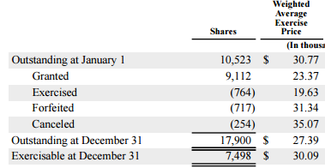
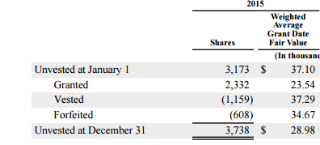

 | Most recent balance sheet, in thousands
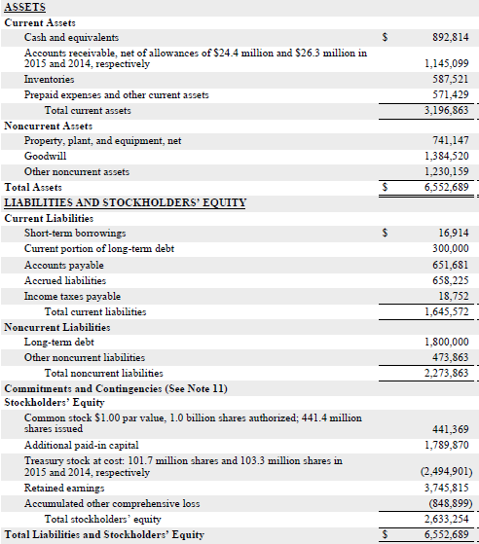

 | Current share price | 33.04
 | Share premium | 30.0%
 | Offer price | 42.95

 | Options outstanding | 17.9
 | Options strike price | 27.39
 | Dilution from options | 6.5
 | Dilution from restricted stock units | 3.7
 | Basic shares outstanding | 340.0
 | Diluted shares outstanding | 350.2
 | Fully diluted acquisition equity value | 15,043.1

 | Long term debt | 1,800.0
 | Current portion of long term debt | 300.0
 | Short term borrowings | 16.9
 | Cash and equivalents | 892.8
 | Net debt | 1,224.1

 | Acquisition enterprise value | 16,267.2

 | Uses of funds
 | Fully diluted acquisition equity value | 15,043.1
 | Net debt | 1,224.1
 | Advisory fees | 325.3
 | Equity issuance fees | 75.2
 | Debt issuance fees | 150.0
 | Total uses of funds | 16,817.7

 | Sources of funds
 | Equity issuance | 7,521.5
 | Debt issuance | 9,296.2
 | Total sources of funds | 16,817.7

Workout 12
 | Trysil Plc has acquired Hemsedal Co for 1,500.0. The acquisition is 100% financed with equity.
 | Expected S&GA synergies are 100.0 each year, and applicable tax rate is 30.0%
 | Using information below provide the proforma financials for the combo.

 | Acquisition price | 1,500.0
 | Equity financing | 100.0%
 | SG&A synergies | 100.0
 | Tax rate | 30.0%

 |  | Trysil Plc. | Hemsedal Co. | Adjustments | Combo
 | Sales | 1,500.0 | 1,000.0 |  | 2,500.0
 | EBITDA | 260.0 | 150.0 | 100.0 | 510.0
 | EBIT | 220.0 | 100.0 | 100.0 | 420.0
 | Net income | 130.0 | 50.0 | 70.0 | 250.0

Workout 13

 | Trysil Plc has acquired Hemsedal Co for 1,500.0. The acquisition is 100% financed with debt.
...
 | Cool Toys forecast year 1 EBITDA | 956.6
 | Trendy Toys forecast year 1 EBITDA | 938.7
 | Forecast synergies | 200.0
 | Trendy Toys share price | 67.36
 | Premium on top of acquisition price | 25.0%
 | Diluted shares outstanding | 128.0
 | Trendy Toys debt is not refinanced in the transaction

 | Assume there are no debt repayments scheduled neither for Cool Toys nor for Trendy Toys.

 | Most recent balance sheet of Cool Toys, all figures are in thousands.
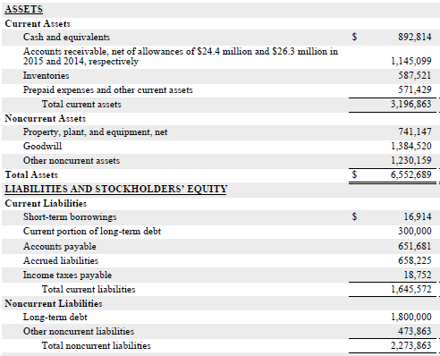

 | Most recent balance sheet of Trendy Toys, all figures are in thousands.
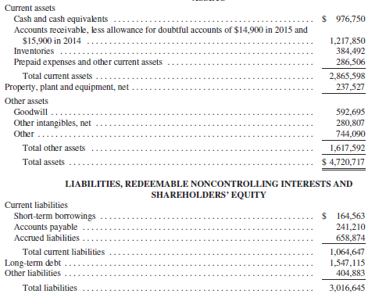

 | Cool Toys forecast year 1 EBITDA | 956.62
 | Trendy Toys forecast year 1 EBITDA | 938.70
 | Forecast synergies | 200.00
 | Combo proforma EBITDA | 2,095.3

 | Maximum debt / EBITDA multiple | 3.0 x
 | Maximum debt | 6,286.0

 | Cool Toys short term debt | 16.9
...

