Workout
Advanced Valuation

Workout 1
 | The traditional terminal value formula is: | TV = free cash flow x (1 + g) / (WACC - g)
 | It can be re-written as: | TV = NOPAT x (1 - reinvestment rate) x (1 + g) / (WACC - g)
 | Calculate the terminal value using the re-written formula.

 | Invested capital | 1,000.0
 | NOPAT | 100.0
 | Depreciation | 50.0
 | Capital expenditure | (60.0)
 | Change in operating working capital | (20.0)
 | Growth | 3.0%
 | WACC | 8.0%

 | NOPAT | 100.0
 | Add back depreciation | 50.0
 | Subtract capital expenditure | (60.0)
 | Change in operating working capital | (20.0)
 | Free cash flow | 70.0

 | Reinvestment rate | 30.0%

 | Terminal value | 1,442.0

 | The reinvestment rate is important for calculating free cash flow in the terminal value formula, and shows that reinvesting affects value.

Workout 2
 | The terminal value formula from the previous workout was: | TV = NOPAT x (1 - reinvestment rate) x (1 + g) / (WACC - g)
 | It can be re-written as: | TV = NOPAT x (1 - (growth / ROIC)) x (1 + g) / (WACC - g)
 | Calculate the terminal value using the re-written formula.

 | ROIC = NOPAT/invested capital

 | Invested capital | 1,000.0
 | NOPAT | 100.0
 | Depreciation | 50.0
 | Capital expenditure | (60.0)
 | Change in operating working capital | (20.0)
 | Growth | 3.0%
 | WACC | 8.0%

 | NOPAT | 100.0
 | Add back depreciation | 50.0
 | Subtract capital expenditure | (60.0)
 | Change in operating working capital | (20.0)
 | Free cash flow | 70.0

 | Return on invested capital (ROIC) | 10.0%

 | Growth / ROIC | 30.0%

 | Terminal value | 1,442.0

 | The reinvestment rate can be re-calculated as growth / ROIC.
 | This implies that some of our returns are reinvested and cause growth.
 | Including this in the terminal value formula shows that growth and returns affect value.

Workout 3
 | Use the analyst assumptions below to calculate the terminal value for the company using both the traditional growth perpetuity and the value driver formula.

 | Long term growth rate | 5.0%
 | WACC | 10.0%

 | NOPAT in terminal year | 200.0
 | FCF in terminal year | 190.0
 | Long term ROIC | 10.0%

 | Terminal value using traditional growth perpetuity | 3,990.0

 | Terminal value using value driver formula | 2,100.0

 | Net reinvestment in terminal year | 10.0
 | Invested capital in terminal year | 2,000.0
 | Implied growth rate in terminal year | 0.5%

Workout 4
 | An analyst has prepared the following full year forecasts, use the assumptions and data provided below to value the company as at 30 June 2021. Assume end of period discounting.
 | Assume cash flows fall at the end of each period.

 | Valuation date | 30-Jun-22
 | Long term growth rate | 3.0%
 | WACC | 8.0%

 |  | 31-Dec-22 | 31-Dec-23 | 31-Dec-24 | 31-Dec-25
 | Free cash flow forecast | 1,056.1 | 1,108.8 | 1,164.2 | 1,222.5

 | Cash flow date | 31-Dec-22 | 31-Dec-23 | 31-Dec-24 | 31-Dec-25
 | Days for discounting | 184.0 | 549.0 | 915.0 | 1,280.0
 | Year count | 0.5 | 1.5 | 2.5 | 3.5
 | Discount factor | 96.2% | 89.1% | 82.5% | 76.3%
 | FY1 FCF available | 532.4
 | Terminal value |  |  |  | 25,183.5

 | PV of FCF | 512.1 | 987.6 | 959.9 | 933.3

 | PV of terminal value | 19,226.7
 | Enterprise value | 22,619.7

Workout 5
 | An analyst has prepared the following full year forecasts, use the assumptions and data provided below to value the company as at 1 March 2021.
 | Assume cash flows fall in the middle of each period.

 | Valuation date | 1-Mar-21
 | Long term growth rate | 3.0%
 | WACC | 9.0%

 |  | 31-Dec-21 | 31-Dec-22 | 31-Dec-23 | 31-Dec-24
 | Free cash flow forecast | 3,168.3 | 3,326.4 | 3,492.6 | 3,667.5

 | Cash flow date | 31-Jul-21 | 1-Jul-22 | 1-Jul-23 | 1-Jul-24
 | Days for discounting | 152.5 | 487.5 | 852.5 | 1,218.0
 | Year count | 0.4 | 1.3 | 2.3 | 3.3
 | Discount factor | 96.5% | 89.1% | 81.8% | 75.0%
 | FY1 FCF available | 2,647.5
 | Terminal value |  |  |  | 62,958.8

 | PV of FCF | 2,553.9 | 2,964.7 | 2,855.8 | 2,750.9

 | PV of terminal value | 47,224.2
 | Enterprise value | 58,349.5

Workout 6
 | Calculate WACC for the below company assuming:
 | (i) There are no financial assets in the target capital structure
 | (ii) Assuming financial assets are 5.0% of EV in the target capital structure and debt remains at 40.0% of EV.

 | Cost of equity | 9.0%
 | Cost of debt | 3.5%
 | Return on financial assets | 6.0%
 | Marginal tax rate | 21.0%
 | Debt % EV in target capital structure | 40.0%

 | No financial assets in target capital structure
 | WACC | 6.5%

 | Financial assets in target capital structure
 | Financial assets % EV in target capital structure | 5.0%
 | Equity % EV in target capital structure | 65.0%

 | WACC | 6.7%

Workout 7
 | Use the information below to calculate the company's WACC. Assume that the current capital structure reflects the target capital structure.

 | Cost of equity | 9.0%
 | Cost of debt | 3.5%
 | Yield on preference stock | 7.4%
 | Interest rate on cash balances | 0.5%
 | Marginal tax rate | 25.0%
 |  |  | % of EV
 | Market value of equity | 364.1 | 68.6%
 | Market value of preference stock | 30.6 | 5.8%
 | Debt in balance sheet | 138.7 | 26.1%
 | Restricted cash in balance sheet | 2.5 | 0.5%
 | Enterprise value | 530.9

 | WACC | 7.3%

Workout 8
 | Use the analyst assumptions and balance sheet information below to calculate the equity value of Alpha Inc.

 |  | FY1 EBITDA | EV/FY1 EBITDA
 | Segment A | 1,365.5 | 10.5 x
 | Segment B | 409.7 | 11.9 x
 | Segment C | 202.4 | 18.1 x

 | Segment A enterprise value | 14,337.8
 | Segment B enterprise value | 4,874.8
 | Segment C enterprise value | 3,663.4
 | Total enterprise value | 22,876.0

 | Cash and equivalents | 1,265.0
 | Debt | 8,463.4
 | Non-controlling interest | 13.5
 | Equity value | 15,664.1

Workout 9
 | Using the analyst assumptions and balance sheet information below, to calculate an implied share price for PepsiCo Inc.

 |  | FY1 EBITDA ($m) | Peer companies median EV/FY1 EBITDA
 | North America Beverages | 7,792.3 | 19.0 x
 | North America Food & Snacks | 2,370.9 | 12.9 x
 | Europe Beverages & Food | 2,282.6 | 18.0 x
 | ROW Beverages & Food | 1,762.3 | 11.8 x

 | North America Beverages enterprise value | 148,053.2
...
Workout 10
 | Assume that 'Other Income' and 'Other Operating Expenses' are recurring and operating.
 | Assume also that the market value of affiliates and non-controlling interests is materially the same as their book value.

 | Shares outstanding (m) | 313.4
 | LTM Depreciation and amortization for equipment ops | 1,016.0
 | Debt equivalent of retirement benefit for equipment ops | 3,245.1
 | EV/LTM EBITDA for equipment ops | 19.0 x
 | P/E for financial services | 9.0 x

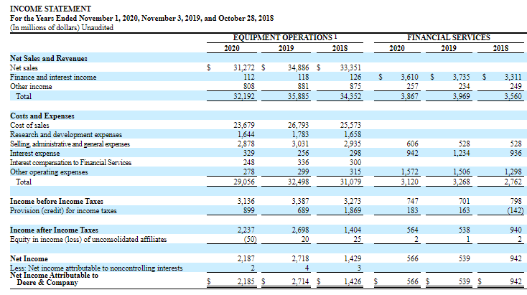

 | The maturity date is perpetual and each share

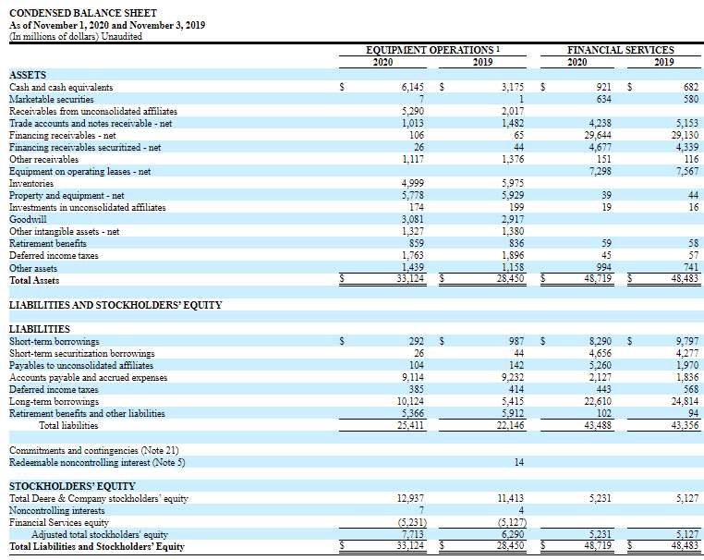

 | Equipment operations
 | Net sales | 31,272.0
 | Other income | 808.0
 | Cost of sales | 23,679.0
 | Research and development expenses | 1,644.0
 | Selling, general and admin expenses | 2,878.0
 | Other operating expenses | 278.0
 | LTM EBIT | 3,601.0
 | Depreciation and amortization | 1,016.0
...

