Workout
Private Equity Acquisition Analysis
Workout Information

Workout 1
 | Calculate IRRs and fill in the table for the four scenarios below.

 |  | Entry | Exit Case 1 | Exit Case 2 | Exit Case 3 | Exit Case 4
 | EBITDA | 300.0 | 340.0 | 300.0 | 340.0 | 340.0
 | EBITDA multiple | 7.0 x | 7.0 x | 8.0 x | 7.0 x | 6.0 x
 | Enterprise value
 | Debt amount | 1,500.0 | 1,500.0 | 1,200.0 | 1,000.0 | 1,500.0
 | Debt/EBITDA multiple
 | Equity
 | Exit year |  | 3.0 | 3.0 | 3.0 | 3.0
 | IRR
 | Value created

 | Calculate the extent to which each variable below has contributed to value creation.
 | Debt repayment
 | EBITDA improvement
 | Multiple expansion/(contraction)
 | Value created

Workout 2
 | Calculate the IRR, value from EBITDA improvement, value from multiple expansion and value from debt repayment for the leveraged buy out transaction below.

 |  | Entry | Exit
 | EV/ EBITDA multiple | 6.0 x | 7.5 x
 | EBITDA | 587.0 | 655.0
 | Time horizon, years |  | 4.0
 | Debt | 2,000.0 | 1,300.0
 | Enterprise value
 | Equity
 | IRR
 | Total value created
 | Value from debt repayment
 | Value created from EBITDA improvement
 | Value created from multiple expansion
 | Total value created

Workout 3
 | A private equity fund is looking at acquiring PetsRus, a pet supplies retailer.
 | PetsRus have a LTM EBITDA of 1,100 and similar companies have been recently sold at 9.5x EBITDA multiple,
 | and raised 5.5x debt / EBITDA in debt financing.
 | The private equity fund believes that PetsRus will be able to pay down 1,400.0 of debt and grow its EBITDA at an average rate of 5.0% per year.
 | The required return on the transaction is 25.0%, the investment horizon is 5 years
 | What is the maximum amount of equity consideration the private equity house will be willing to contribute on entry?
 | Assume the relative valuation of PetsRus is not going to change.

 | LTM EBITDA | 1,100.0
 | EV/EBITDA valuation multiple, exit | 9.5 x
 | Debt financing multiple | 5.5 x
 | Total debt repaid | 1,400.0
 | EBITDA growth rate | 5.0%
 | Required IRR | 25.0%
 | Transaction time horizon, years | 5.0

 | Debt raised in transaction
 | Total debt remaining at exit
 | EBITDA, exit
 | Enterprise value, exit
 | Equity, exit

 | Equity, entry

Workout 4
 | Private equity fund acquired the equity of Pumpkin Co for 10,000.0.
 | Its LTM EBITDA is 1,200.0 and the total amount of net debt to be refinanced as a result of the acquisition is 3,560.0
 | The banks have agreed to provide 4.5 x EBITDA senior debt and 1.0 x mezzanine financing.
 | Calculate the required equity financing to complete the transaction.

 | Equity purchase price | 10,000.0
 | LTM EBITDA | 1,200.0
 | Refinanced net debt | 3,560.0
 | Senior debt EBITDA multiple | 4.5 x
 | Mezzanine EBITDA multiple | 1.0 x

 | Uses of funds
 | Equity purchase price
 | Refinanced net debt
 | Total uses of funds

 | Sources of funds
 | Senior debt financing
 | Mezzanine loan
 | Equity financing
 | Total sources of funds

Workout 5
 | PE Co is considering acquiring ExaCo. Extracts from ExaCo's forecast figures are given below.
 | PE Co has provided you with the sources of funds it would use to acquire ExaCo.
 | PE Co would like to know how much of the acquisition debt could be paid down over the intended ownership period of 3 years.
 | Calculate the ending balance of term loan A, term loan B and mezzanine loan at the end of year 3.
 | Assume there are no mandated repayments scheduled for any of the debt tranches.
 | Assume all cash flows available for debt repayment will be directed towards paying off debt via a cash sweep.
 | Assume interest is calculated on the beginning debt balances.

 | Sources of funds at acquisition |  | Interest
 |  | Amount | Cash / PIK | Interest rate
 | Term loan A | 500.0 | Cash | 5.0%
 | Term loan B | 200.0 | Cash | 6.0%
 | Mezzanine loan | 100.0 | PIK | 10.0%
 | Equity | 300.0

 | Cash flow statement extract | Year 0 | Year 1 | Year 2 | Year 3

 | EBITDA |  | 150.0 | 157.5 | 165.4
 | Cash taxes |  | (25.0) | (26.3) | (27.6)
 | Changes in operating working capital |  | (5.0) | (5.3) | (5.5)
 | CAPEX |  | (20.0) | (21.0) | (22.1)
 | Cash flows available for debt service

 | Interest on term A
 | Interest on term B
 | Cash flow available for debt repayment

 | Repayment of term A
 | Repayment of term B
 | Net cash flow

 | Cash balance | 0.0

 | Term A
 | Beginning balance
 | Repayment
 | Ending balance
 | Interest expense

 | Term B
 | Beginning balance
 | Repayment
 | Ending balance
 | Interest expense

 | Mezzanine loan
 | Beginning balance
 | PIK interest
 | Ending balance

Workout 6
 | MarbleWorks Plc is financed with bank loans that require adherence to 3 covenants.
 | Using the operating forecast below determine the year in which each covenant might be breached.

 | Covenants
 | Debt / EBITDA | < 4.5x
 | Interest cover (EBITDA /cash interest expense) | > 3.5x
 | Total assets / total debt | > 120%

 | Balance sheet extract |  | Year 1 | Year 2 | Year 3 | Year 4 | Year 5

 | Total assets |  | 1,380.0 | 1,505.0 | 1,630.0 | 1,755.0 | 1,880.0
 | Revolver |  | 15.0 | 20.0 | 0.0 | 95.0 | 3.0
 | Term loan A |  | 600.0 | 590.0 | 470.0 | 300.0 | 0.0
 | Term loan B |  | 150.0 | 150.0 | 150.0 | 150.0 | 150.0
 | Term loan C |  | 150.0 | 150.0 | 150.0 | 150.0 | 150.0
 | Mezzanine (PIK) |  | 100.0 | 100.0 | 100.0 | 100.0 | 100.0
 | Senior unsecured notes |  | 75.0 | 75.0 | 75.0 | 75.0 | 75.0

 | Income statement extract |  | Year 1 | Year 2 | Year 3 | Year 4 | Year 5
 | EBITDA |  | 272.5 | 271.3 | 170.9 | 217.5 | 275.6
 | Interest on revolver |  | 0.8 | 1.0 | 0.0 | 6.2 | 0.2
 | Interest on term loan A |  | 30.0 | 29.5 | 23.5 | 19.5 | 0.0
 | Interest on term loan B |  | 9.0 | 9.0 | 9.0 | 11.3 | 11.3
 | Interest on term loan C |  | 10.5 | 10.5 | 10.5 | 12.8 | 12.8
 | Interest on mezzanine (PIK) |  | 10.0 | 10.0 | 10.0 | 10.0 | 10.0
 | Interest on senior unsecured notes |  | 7.5 | 7.5 | 7.5 | 7.5 | 7.5

 | Total assets
 | Total debt
 | Total assets / total debt

 | Total debt
 | EBITDA
 | Total debt / EBITDA

 | EBITDA
 | Total cash interest expense
 | EBITDA / total cash interest expense

Workout 7
 | A private equity firm is looking into acquiring Indigo Plc.
 | Calculate acquisition enterprise value.

 | Indigo's share price | 15.00
...
 | Diluted shares outstanding
 | Net debt
 | Acquisition enterprise value

Workout 9
 | Using your answer to the previous workout and LTM income statement below, calculate the percentage of consideration that
 | will be accounted for by equity, to complete the acquisition of CreamyDelights. Assume the banks are willing to lend at
 | 7.0x debt / LTM EBITDA and (gains) and losses on commodity derivatives are recurring items.
 | Assume the acquirer will refinance CreamyDelights' net debt.

 | All income statement numbers are in thousands. Present your workings in millions.
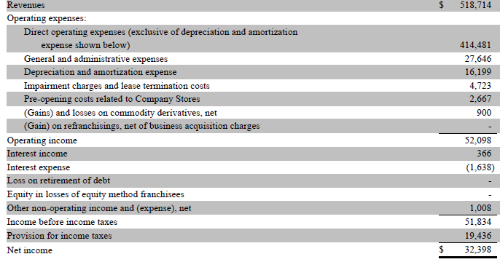

 | Operating income
 | Impairment charges and lease termination costs
 | Depreciation and amortization
 | LTM EBITDA

 | Debt / LTM EBITDA multiple | 7.0 x
 | Debt financing available

 | Uses of funds
 | Equity purchase price
...
 | Latest balance sheet at the time of the transaction.
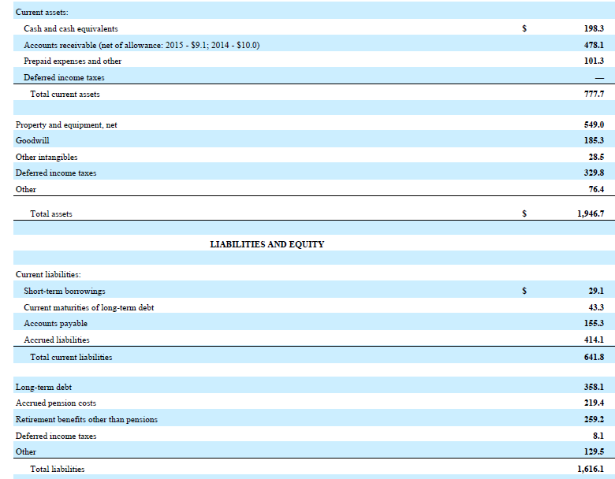

 | EBITDA, entry and exit
 | Operating profit
 | Depreciation and amortization
 | Restructuring costs in COGS and SG&A
 | LTM EBITDA
 | Exit multiple
 | EBITDA growth rate
 | Transaction time frame, years
 | EBITDA, exit
...

