Workout
Private Equity Acquisition Analysis
Workout Information

Workout 1
 | Calculate IRRs and fill in the table for the four scenarios below.

 |  | Entry | Exit Case 1 | Exit Case 2 | Exit Case 3 | Exit Case 4
 | EBITDA | 300.0 | 340.0 | 300.0 | 340.0 | 340.0
 | EBITDA multiple | 7.0 x | 7.0 x | 8.0 x | 7.0 x | 6.0 x
 | Enterprise value | 2,100.0 | 2,380.0 | 2,400.0 | 2,380.0 | 2,040.0
 | Debt amount | 1,500.0 | 1,500.0 | 1,200.0 | 1,000.0 | 1,500.0
 | Debt/EBITDA multiple | 5.0 x | 4.4 x | 4.0 x | 2.9 x | 4.4 x
 | Equity | 600.0 | 880.0 | 1,200.0 | 1,380.0 | 540.0
 | Exit year |  | 3.0 | 3.0 | 3.0 | 3.0
 | IRR |  | 13.6% | 26.0% | 32.0% | (3.5%)
 | Value created |  | 280.0 | 600.0 | 780.0 | (60.0)

 | Calculate the extent to which each variable below has contributed to value creation.
 | Debt repayment |  | 0.0 | 300.0 | 500.0 | 0.0
 | EBITDA improvement |  | 280.0 | 0.0 | 280.0 | 280.0
 | Multiple expansion/(contraction) |  | 0.0 | 300.0 | 0.0 | (340.0)
 | Value created |  | 280.0 | 600.0 | 780.0 | (60.0)

Workout 2
 | Calculate the IRR, value from EBITDA improvement, value from multiple expansion and value from debt repayment for the leveraged buy out transaction below.

 |  | Entry | Exit
 | EV/ EBITDA multiple | 6.0 x | 7.5 x
 | EBITDA | 587.0 | 655.0
 | Time horizon, years |  | 4.0
 | Debt | 2,000.0 | 1,300.0
 | Enterprise value | 3,522.0 | 4,912.5
 | Equity | 1,522.0 | 3,612.5
 | IRR |  | 24.1%
 | Total value created |  | 2,090.5
 | Value from debt repayment |  | 700.0
 | Value created from EBITDA improvement |  | 408.0
 | Value created from multiple expansion |  | 982.5
 | Total value created |  | 2,090.5

Workout 3
 | A private equity fund is looking at acquiring PetsRus, a pet supplies retailer.
 | PetsRus have a LTM EBITDA of 1,100 and similar companies have been recently sold at 9.5x EBITDA multiple,
 | and raised 5.5x debt / EBITDA in debt financing.
 | The private equity fund believes that PetsRus will be able to pay down 1,400.0 of debt and grow its EBITDA at an average rate of 5.0% per year.
 | The required return on the transaction is 25.0%, the investment horizon is 5 years
 | What is the maximum amount of equity consideration the private equity house will be willing to contribute on entry?
 | Assume the relative valuation of PetsRus is not going to change.

 | LTM EBITDA | 1,100.0
 | EV/EBITDA valuation multiple, exit | 9.5 x
 | Debt financing multiple | 5.5 x
 | Total debt repaid | 1,400.0
 | EBITDA growth rate | 5.0%
 | Required IRR | 25.0%
 | Transaction time horizon, years | 5.0

 | Debt raised in transaction | 6,050.0
 | Total debt remaining at exit | 4,650.0
 | EBITDA, exit | 1,403.9
 | Enterprise value, exit | 13,337.1
 | Equity, exit | 8,687.1

 | Equity, entry | 2,846.6

Workout 4
 | Private equity fund acquired the equity of Pumpkin Co for 10,000.0.
 | Its LTM EBITDA is 1,200.0 and the total amount of net debt to be refinanced as a result of the acquisition is 3,560.0
 | The banks have agreed to provide 4.5 x EBITDA senior debt and 1.0 x mezzanine financing.
 | Calculate the required equity financing to complete the transaction.

 | Equity purchase price | 10,000.0
 | LTM EBITDA | 1,200.0
 | Refinanced net debt | 3,560.0
 | Senior debt EBITDA multiple | 4.5 x
 | Mezzanine EBITDA multiple | 1.0 x

 | Uses of funds
 | Equity purchase price | 10,000.0
 | Refinanced net debt | 3,560.0
 | Total uses of funds | 13,560.0

 | Sources of funds
 | Senior debt financing | 5,400.0
 | Mezzanine loan | 1,200.0
 | Equity financing | 6,960.0
 | Total sources of funds | 13,560.0

Workout 5
 | PE Co is considering acquiring ExaCo. Extracts from ExaCo's forecast figures are given below.
 | PE Co has provided you with the sources of funds it would use to acquire ExaCo.
 | PE Co would like to know how much of the acquisition debt could be paid down over the intended ownership period of 3 years.
 | Calculate the ending balance of term loan A, term loan B and mezzanine loan at the end of year 3.
 | Assume there are no mandated repayments scheduled for any of the debt tranches.
 | Assume all cash flows available for debt repayment will be directed towards paying off debt via a cash sweep.
 | Assume interest is calculated on the beginning debt balances.

 | Sources of funds at acquisition |  | Interest
 |  | Amount | Cash / PIK | Interest rate
 | Term loan A | 500.0 | Cash | 5.0%
 | Term loan B | 200.0 | Cash | 6.0%
 | Mezzanine loan | 100.0 | PIK | 10.0%
 | Equity | 300.0

 | Cash flow statement extract | Year 0 | Year 1 | Year 2 | Year 3

 | EBITDA |  | 150.0 | 157.5 | 165.4
 | Cash taxes |  | (25.0) | (26.3) | (27.6)
 | Changes in operating working capital |  | (5.0) | (5.3) | (5.5)
 | CAPEX |  | (20.0) | (21.0) | (22.1)
 | Cash flows available for debt service |  | 100.0 | 105.0 | 110.3

 | Interest on term A |  | (25.0) | (21.9) | (18.3)
 | Interest on term B |  | (12.0) | (12.0) | (12.0)
 | Cash flow available for debt repayment |  | 63.0 | 71.2 | 80.0

 | Repayment of term A |  | (63.0) | (71.2) | (80.0)
 | Repayment of term B |  | 0.0 | 0.0 | 0.0
 | Net cash flow |  | 0.0 | 0.0 | 0.0

 | Cash balance | 0.0 | 0.0 | 0.0 | 0.0

 | Term A
 | Beginning balance |  | 500.0 | 437.0 | 365.9
 | Repayment |  | (63.0) | (71.2) | (80.0)
 | Ending balance | 500.0 | 437.0 | 365.9 | 285.9
 | Interest expense |  | 25.0 | 21.9 | 18.3

 | Term B
 | Beginning balance |  | 200.0 | 200.0 | 200.0
 | Repayment |  | 0.0 | 0.0 | 0.0
 | Ending balance | 200.0 | 200.0 | 200.0 | 200.0
 | Interest expense |  | 12.0 | 12.0 | 12.0

 | Mezzanine loan
 | Beginning balance |  | 100.0 | 110.0 | 121.0
 | PIK interest |  | 10.0 | 11.0 | 12.1
 | Ending balance | 100.0 | 110.0 | 121.0 | 133.1

Workout 6
 | MarbleWorks Plc is financed with bank loans that require adherence to 3 covenants.
 | Using the operating forecast below determine the year in which each covenant might be breached.

 | Covenants
 | Debt / EBITDA | < 4.5x
 | Interest cover (EBITDA /cash interest expense) | > 3.5x
 | Total assets / total debt | > 120%

 | Balance sheet extract |  | Year 1 | Year 2 | Year 3 | Year 4 | Year 5

 | Total assets |  | 1,380.0 | 1,505.0 | 1,630.0 | 1,755.0 | 1,880.0
 | Revolver |  | 15.0 | 20.0 | 0.0 | 95.0 | 3.0
 | Term loan A |  | 600.0 | 590.0 | 470.0 | 300.0 | 0.0
 | Term loan B |  | 150.0 | 150.0 | 150.0 | 150.0 | 150.0
...
 | Diluted shares outstanding | 64.4
 | Net debt | 34.8
 | Acquisition enterprise value | 957.9

Workout 9
 | Using your answer to the previous workout and LTM income statement below, calculate the percentage of consideration that
 | will be accounted for by equity, to complete the acquisition of CreamyDelights. Assume the banks are willing to lend at
 | 7.0x debt / LTM EBITDA and (gains) and losses on commodity derivatives are recurring items.
 | Assume the acquirer will refinance CreamyDelights' net debt. |  |  |  |  |  |  | ***** for instructors.
 |  |  |  |  |  |  |  | the gains and losses here are a good teaching point
 | All income statement numbers are in thousands. Present your workings in millions. |  |  |  |  |  |  | non recurring items are really negotiated with the banks, and private equity firms
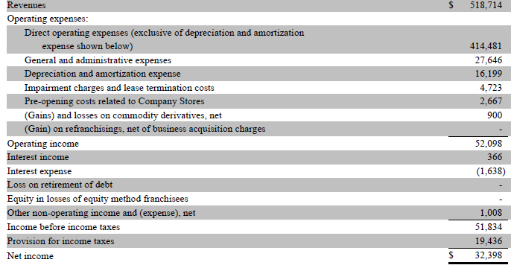
 |  |  |  |  |  |  |  | A nice thing to do here would be to recalculate the equity consideration with and without these included
 |  |  |  |  |  |  |  | in EBITDA

 | Operating income | 52.1
 | Impairment charges and lease termination costs | 4.7
 | Depreciation and amortization | 16.2
 | LTM EBITDA | 73.0

 | Debt / LTM EBITDA multiple | 7.0 x
 | Debt financing available | 511.1

 | Uses of funds
 | Equity purchase price | 923.1
...
 | Latest balance sheet at the time of the transaction.
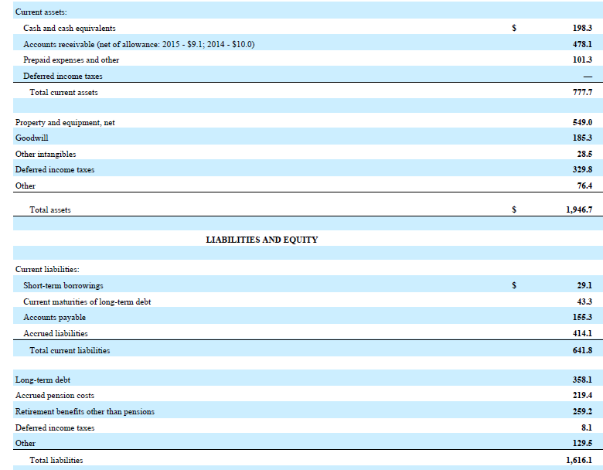

 | EBITDA, entry and exit
 | Operating profit | 56.6
 | Depreciation and amortization | 139.9
 | Restructuring costs in COGS and SG&A | 15.3
 | LTM EBITDA | 211.8
 | Exit multiple | 8.5 x
 | EBITDA growth rate | 7.0%
 | Transaction time frame, years | 4.0
 | EBITDA, exit | 277.6
...

