Workout
Consolidation and NCI

Workout 1
 |  | A Inc. | B Inc.
 | Current assets | 100.0 | 40.0
 | Long term assets | 200.0 | 100.0
 |  | 300.0 | 140.0

 | Current liabilities | 80.0 | 50.0
 | Long term liabilities | 100.0 | 60.0
 | Shareholders' equity | 120.0 | 30.0
 |  | 300.0 | 140.0

 | A Inc. buys all of the equity of B Inc. from the shareholders of B Inc. for 35.0 in an all cash deal.
 | Rework the balance sheet of A Inc. to reflect this investment.

Workout 2
 | Using the information in the previous question, produce the consolidated balance sheet of A Inc.

 |  | A Inc. pre deal
 | Current assets | 100.0
 | Long term assets | 200.0
 |  | 300.0

 | Current liabilities | 80.0
 | Long term liabilities | 100.0
 | Shareholders' equity | 120.0
 |  | 300.0

Workout 3
 | Milan Inc. bought 100.0% of the equity capital of Pisa Plc for 240.0MM.
 | The transaction was funded by 5.0MM of balance sheet cash, an equity issuance with a value of 90.0MM and the remainder with debt.
 | Produce the consolidated balance sheet using the information below.
 |  | Milan Inc. | Pisa Plc
 | Cash | 8.0 | 6.0
 | Operating current assets | 140.0 | 160.0
 | PP&E | 380.0 | 215.0
 | Intangibles | 150.0 | 86.0
 | Goodwill | 100.0 | 0.0
 | Total assets | 778.0 | 467.0

 | Short term debt | 25.0 | 12.0
 | Operating current liabilities | 260.0 | 100.0
 | Long term debt | 319.0 | 200.0
 | Operating long term liabilities | 44.0 | 40.0
 | Total liabilities | 648.0 | 352.0

 | Shareholders' equity | 130.0 | 115.0
 | Total liabilities and equity | 778.0 | 467.0

Workout 4
 | Bologna Inc. bought 100.0% of the equity capital of Ascoli Plc for 85.0MM.
 | The transaction was funded by 1.5MM of balance sheet cash, an equity issuance with a value of 50.0MM and the remainder with debt.
 | Produce a sources and uses of funds, a goodwill calculation and the consolidated balance sheet using the information below.

 |  | Bologna Inc. | Ascoli Plc
 | Cash | 2.8 | 2.1
 | Operating current assets | 49.0 | 56.0
 | PP&E | 133.0 | 75.3
 | Intangibles | 52.5 | 30.1
 | Goodwill | 35.0 | 0.0
 | Total assets | 272.3 | 163.5

 | Short term debt | 8.8 | 4.2
 | Operating current liabilities | 91.0 | 35.0
 | Long term debt | 111.6 | 70.0
 | Operating long term liabilities | 15.4 | 14.0
 | Total liabilities | 226.8 | 123.2

 | Common stock | 10.0 | 17.0
 | Retained earnings | 35.5 | 23.3
 | Total equity | 45.5 | 40.3
 | Total liabilities and equity | 272.3 | 163.5

Workout 5
 | Napoli Inc. bought 100.0% of the equity capital of Palermo Ltd for 305.0MM. Napoli Inc. also intends to refinance the debt of Palermo Ltd as part of the deal.
 | The transaction was funded by 5.0MM of balance sheet cash, an equity issuance with a value of 75.0MM and the remainder with new debt.
 | Produce a sources and uses of funds, a goodwill calculation and the consolidated balance sheet using the information below.

 |  | Napoli Inc. | Palermo Ltd
 | Cash | 11.2 | 8.4
 | Operating current assets | 196.0 | 224.0
 | PP&E | 532.0 | 301.0
 | Intangibles | 210.0 | 120.6
 | Goodwill | 140.0 | 0.0
 | Total assets | 1,089.2 | 654.0

 | Short term debt | 35.0 | 16.8
 | Operating current liabilities | 364.0 | 140.0
 | Long term debt | 446.6 | 280.0
 | Operating long term liabilities | 61.6 | 56.0
 | Total liabilities | 907.2 | 492.8

 | Common stock | 40.0 | 68.0
 | Retained earnings | 142.0 | 93.2
 | Total equity | 182.0 | 161.2
 | Total liabilities and equity | 1,089.2 | 654.0

Workout 6
 | As part of the negotiations for the Barbados deal, the following was agreed.

 | Equity purchase price | 250.0
 | Shareholders' equity on balance sheet at deal date | 160.0
 | Property on balance sheet at deal date | 40.0
 | Brands on balance sheet at deal date | 0.0
 | Market value of property at deal date | 55.0
 | Fair value of brands at deal date | 20.0

 | Calculate the premium paid above book and also the goodwill.

Workout 7
 | As part of the negotiations for the Trinidad deal, the following was agreed.

 | Equity purchase price | 3,000.0
 | Shareholders' equity on balance sheet at deal date | 2,100.0
 | Property on balance sheet at deal date | 680.0
 | Brands on balance sheet at deal date | 100.0
 | Market value of property at deal date | 1,200.0
 | Fair value of brands at deal date | 900.0
 | Goodwill on balance sheet at deal date | 1,960.0
 | Liabilities on balance sheet at deal date | 450.0
 | Fair value of liabilities at deal date | 670.0

 | Calculate deal goodwill.

Workout 8
 | As part of the negotiations by Tortola for the purchase of 100.0% of the equity of Tobago, the following was agreed.

 | Equity purchase price | 8,640.0
 | Shareholders' equity on balance sheet at deal date | 7,080.0
 | Brands on balance sheet at deal date | 1,200.0
 | Fair value of brands at deal date | 4,000.0
 | Goodwill on Tobago balance sheet at deal date | 4,200.0
 | Goodwill on Tortola balance sheet at deal date | 5,640.0

 | Calculate consolidated goodwill.

Workout 9
 | Calculate goodwill assuming the equity purchase price is 2,500.0MM and all balance sheet items are at fair value, except for equity which is currently at book value.

 |  |  | Latest year | Earliest year
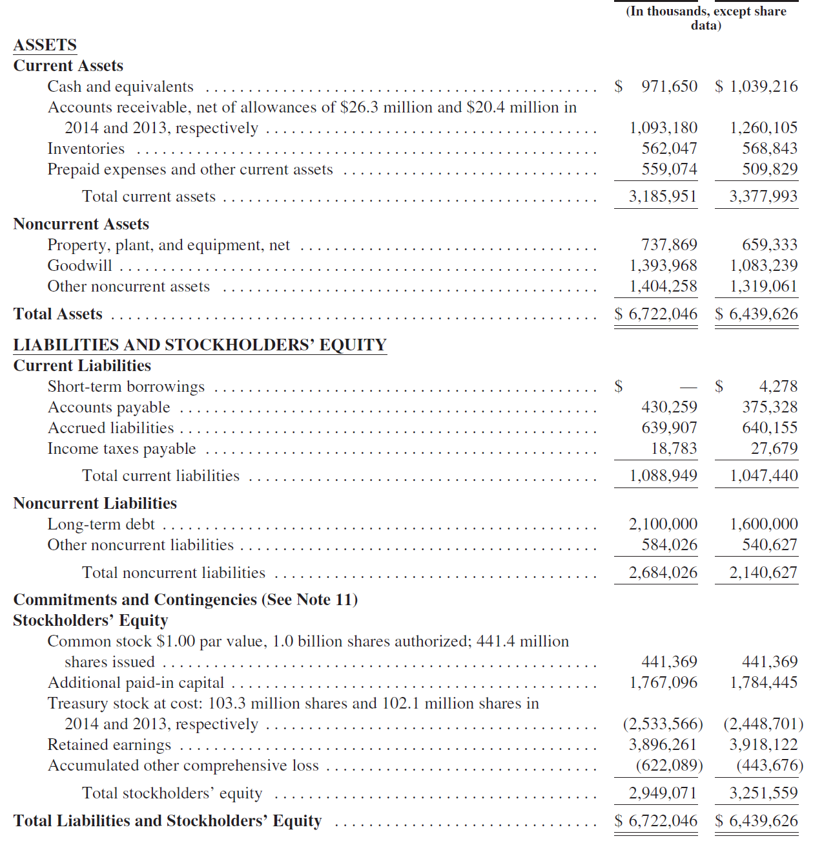

 | Goodwill calculation

Workout 10
 | Treviso Plc bought 100.0% of the equity capital of Rimini Ltd for 200.0MM. Treviso Plc also intends to refinance the debt of Rimini Ltd as part of the deal.
 | The transaction was funded by 2.0MM of balance sheet cash, an equity issuance with a value of 60.0MM and the remainder with new debt.
 | The PP&E of Rimini was valued at 20.0MM above book amount and it was agreed that brands, unrecognized on the balance sheet, had a fair value of 15.0MM.
 | Produce a sources and uses of funds, a goodwill calculation and the consolidated balance sheet using the information below.

 |  | Treviso Plc | Rimini Ltd
 | Cash | 7.3 | 5.5
 | Operating current assets | 127.4 | 145.6
 | PP&E | 345.8 | 195.7
 | Intangibles | 136.5 | 28.4
 | Goodwill | 91.0 | 50.0
 | Total assets | 708.0 | 425.1

 | Short term debt | 22.8 | 10.9
 | Operating current liabilities | 236.6 | 91.0
 | Long term debt | 290.3 | 182.0
 | Operating long term liabilities | 40.0 | 36.4
 | Total liabilities | 589.7 | 320.3

 | Common stock | 26.0 | 44.2
 | Retained earnings | 92.3 | 60.6
 | Total equity | 118.3 | 104.8
 | Total liabilities and equity | 708.0 | 425.1

Workout 11
 | Parma Plc bought 100.0% of the equity capital of Bergamo Plc for 1,950.0MM. Parma Plc also intends to pay down the debt of Bergamo Plc as part of the deal.
 | The transaction was funded by 10.0MM of balance sheet cash, a debt issuance of 250.0MM and the remainder with new equity.
 | The PP&E of Bergamo was valued at 1,650.0MM and it was agreed that intangibles were worth 450.0MM.
 | Produce a sources and uses of funds, a goodwill calculation and the consolidated balance sheet using the information below.

 |  | Parma Plc | Bergamo Plc
 | Cash | 43.7 | 32.8
 | Operating current assets | 764.4 | 873.6
 | PP&E | 2,074.8 | 1,173.9
 | Intangibles | 819.0 | 170.3
 | Goodwill | 546.0 | 300.0
 | Total assets | 4,247.9 | 2,550.6

 | Short term debt | 136.5 | 65.5
 | Operating current liabilities | 1,419.6 | 546.0
 | Long term debt | 1,741.7 | 1,092.0
 | Operating long term liabilities | 240.2 | 218.4
 | Total liabilities | 3,538.1 | 1,921.9

 | Common stock | 156.0 | 265.2
 | Retained earnings | 553.8 | 363.5
 | Total equity | 709.8 | 628.7
 | Total liabilities and equity | 4,247.9 | 2,550.6

Workout 12
 | Modena is planning to offer to buy 100.0% of Genoa and wants to understand what the proforma income statement might look like for the following 12 months.
 | Current assumptions involve using 200.0MM of balance sheet cash, an issuance of debt of 1,500.0MM and an equity issuance of 1,000.0MM.
 | Forecast interest rates are 5.5% for deal debt and 1.0% for cash. SG&A synergies are expected to be 20.0MM per annum.
 | Deal goodwill is expected to be 960.0MM. The tax rate is 25.0%.
 | Using the forecast information given below, build the proforma income statement.
 |  | Modena | Genoa
 | Sales | 4,400.0 | 1,350.0
 | COGS | 1,540.0 | 337.5
 | Gross profit | 2,860.0 | 1,012.5
 | SG&A | 1,760.0 | 607.5
 | Operating profit | 1,100.0 | 405.0
 | Interest income | 4.0 | 1.0
 | Interest expense | 150.0 | 60.0
 | Profit before tax | 954.0 | 346.0
 | Tax expense | 200.3 | 62.3
 | Net income | 753.7 | 283.7

 | Back up calculations

Workout 13
 | Elba is planning to offer to buy 100.0% of Stromboli and wants to understand what the proforma income statement might look like for the following 12 months.
 | Current assumptions involve using 950.0MM of balance sheet cash, an issuance of debt of 2,900.0MM and an equity issuance of 3,000.0MM.
 | Forecast interest rates are 7.5% for deal debt and 1.25% for cash.
 | SG&A synergies are expected to be 47.0MM per annum. Deal goodwill is expected to be 1,240.0MM. The tax rate is 30.0%.
 | Using the forecast information given below, build the proforma income statement.
 |  | Elba | Stromboli
 | Sales | 10,340.0 | 3,172.5
 | COGS | 3,619.0 | 793.1
 | Gross profit | 6,721.0 | 2,379.4
 | SG&A | 4,136.0 | 1,427.6
 | Operating profit | 2,585.0 | 951.8
 | Interest income | 19.4 | 2.4
 | Interest expense | 352.5 | 141.0
 | Profit before tax | 2,251.9 | 813.1
 | Tax expense | 683.8 | 239.9
 | Net income | 1,568.1 | 573.2

Workout 14
 | Trento is in the process of buying 100.0% of Trieste, entirely funded by equity.
 | The closing date is expected to be June 30th and the year end is December 31st.
 | Below are the forecast income statements for the current year. Calculate the group income statement assuming no synergies for this year.

 |  | Trento | Trieste
 | Sales | 8,272.0 | 2,538.0
 | COGS | 2,895.2 | 634.5
 | Gross profit | 5,376.8 | 1,903.5
 | SG&A | 3,308.8 | 1,142.1
 | Operating profit | 2,068.0 | 761.4
 | Interest income | 15.5 | 1.9
 | Interest expense | 282.0 | 112.8
 | Profit before tax | 1,801.5 | 650.5
 | Tax expense | 547.0 | 191.9
 | Net income | 1,254.5 | 458.6

Workout 15
 | Acquirer Co bought 100.0% of Target Co and closed the deal
 | on August 31st. Acquirer Co reports to a December year end.
 | The financing involved using 300.0MM of balance sheet cash, an
 | issuance of debt of 1,500.0MM and an equity issuance of 2,400.0MM.
 | Interest rates are 6.0% for deal debt and 1.5% for cash. SG&A synergies
 | are expected to be 10.0MM per annum. Deal goodwill is expected to be
 | 700.0MM. The tax rate is 25.0%.
 | No adjustments have yet been made as a result of the deal.
 | Complete the table to produce the consolidated income statement.

 |  | Acquirer | Target | Stub | Synergies | Cash | Debt | Combo
 | Sales | 6,160.0 | 1,890.0
 | COGS | 2,156.0 | 472.5
 | Gross profit | 4,004.0 | 1,417.5
 | SG&A | 2,464.0 | 850.5
 | Operating profit | 1,540.0 | 567.0
 | Interest income | 5.6 | 1.4
 | Interest expense | 210.0 | 84.0
 | Profit before tax | 1,335.6 | 484.4
 | Tax expense | 280.5 | 87.2
 | Net income | 1,055.1 | 397.2

Workout 16
 | Explain the following pattern of revenue growth shown below.

 |  | Year 1 | Year 2 | Year 3 | Year 4 | Year 5 | Year 6
 | Revenue | 32,400.0 | 33,534.0 | 38,800.0 | 44,814.0 | 46,382.5 | 48,005.9
 |  |  | 3.5% | 15.7% | 15.5% | 3.5% | 3.5%

Workout 17
 | Comment on the multiples shown below.

 |  | Year 1 Actual | Year 2 Forecast | Year 3 Forecast
 | Revenue | 39,250.0 | 46,724.0 | 47,382.5
 | EBIT | 7,760.0 | 9,362.8 | 9,476.5
 | Enterprise value | 125,479.2 | 125,479.2 | 125,479.2
 | Revenue multiple | 3.2 x | 2.7 x | 2.6 x
 | EBIT multiple | 16.2 x | 13.4 x | 13.2 x

Workout 18
 | Florence Inc. bought 80.0% of the equity capital of Rome Ltd for 3,355.0MM.
 | The transaction was funded by 55.0MM of balance sheet cash, an equity issuance with a value of 825.0MM and the remainder with new debt.
 | Produce a sources and uses of funds, a goodwill calculation and the consolidated balance sheet using the information below.

 | Uses of funds

 | Sources of funds

 | Goodwill calculation
 | Purchase price

 | Shareholders' equity on balance sheet (100%)
 | Shareholders' equity purchased (80%)

 | Deal goodwill

 | NCI - % of net assets (20%)

 |  | Florence Inc. | Rome Ltd
 | Cash | 123.2 | 92.4
 | Operating current assets | 2,156.0 | 2,464.0
 | PP&E | 5,852.0 | 3,311.0
 | Intangibles | 2,310.0 | 1,326.6
 | Goodwill | 1,540.0 | 0.0
 | Total assets | 11,981.2 | 7,194.0

 | Short term debt | 385.0 | 184.8
 | Operating current liabilities | 4,004.0 | 1,540.0
 | Long term debt | 4,912.6 | 3,080.0
 | Operating long term liabilities | 677.6 | 616.0
 | Total liabilities | 9,979.2 | 5,420.8

 | Common stock | 440.0 | 748.0
 | Retained earnings | 1,562.0 | 1,025.2
 | Non-controlling interests | 0.0 | 0.0
 | Total equity | 2,002.0 | 1,773.2
 | Total liabilities and equity | 11,981.2 | 7,194.0

Workout 19
 | Florence Inc. bought 80.0% of the equity capital of Rome Ltd for 3,355.0MM. The fair value of the remaining 20.0% stake is considered to be 675.0MM.
 | The transaction was funded by 55.0MM of balance sheet cash, an equity issuance with a value of 825.0MM and the remainder with new debt.
 | Produce a sources and uses of funds, a goodwill calculation and the consolidated balance sheet using the information below. Use the fair value method for noncontrolling interests.

 | Uses of funds

 | Sources of funds

 | Goodwill on acquirer stake |  |  | Goodwill on NCI stake
 | Purchase price |  |  | Fair value of NCI
 | Shareholders' equity (or net assets) on balance sheet (100.0%)
 | Shareholders' equity (or net assets) on balance sheet (80.0%) |  |  | Shareholders' equity (or net assets) on balance sheet (20.0%)
 | Goodwill on acquirer stake |  |  | Goodwill on NCI stake

 |  |  |  | Deal goodwill

 |  | Florence Inc. | Rome Ltd | Equity | Financing | Goodwill/NCI | Combo
 | Cash | 123.2 | 92.4
 | Operating current assets | 2,156.0 | 2,464.0
 | PP&E | 5,852.0 | 3,311.0
 | Intangibles | 2,310.0 | 1,326.6
 | Goodwill | 1,540.0 | 0.0
 | Total assets | 11,981.2 | 7,194.0

 | Short term debt | 385.0 | 184.8
 | Operating current liabilities | 4,004.0 | 1,540.0
 | Long term debt | 4,912.6 | 3,080.0
 | Operating long term liabilities | 677.6 | 616.0
 | Total liabilities | 9,979.2 | 5,420.8

 | Common stock | 440.0 | 748.0
 | Retained earnings | 1,562.0 | 1,025.2
 | Non-controlling interests | 0.0 | 0.0
 | Total equity | 2,002.0 | 1,773.2
 | Total liabilities and equity | 11,981.2 | 7,194.0

Workout 20
 | Etna Plc bought 85.0% of the equity capital of Vesuvius Plc for 27,300.0. Etna Plc also intends to refinance the debt of Vesuvius Plc as part of the deal.
 | The transaction was funded by 140.0 of balance sheet cash, a debt issuance with a value of 33,500.0 of debt and the remainder with new equity.
 | The PP&E of Vesuvius was valued at 18,500.0 and it was agreed that intangibles were worth 3,550.0. The fair value of NCI is 4,100.0.
 | Produce a sources and uses of funds, a goodwill calculation and the consolidated balance sheet using the information below.
 | Calculate NCI using the fair value of net assets approach and the fair value of NCI approach.

 | Uses of funds
 | Purchase of equity in Vesuvius Plc
 | Retirement of Vesuvius Plc debt

 | Sources of funds
 | Balance sheet cash
 | Equity issuance
 | Debt issuance

 | Goodwill calculation - Fair value of net assets method |  |  | Goodwill calculation - Fair value of NCI method
 | Purchase price |  |  | Purchase price |  |  |  |  | Fair value of NCI

 | Shareholders' equity on balance sheet (100.0%) |  |  | Shareholders' equity on BS (100.0%)
 | Step up of PP&E |  |  | Step up of PP&E
 | Step up of brands |  |  | Step up of brands
 | Step down of Vesuvius goodwill |  |  | Step down of Vesuvius goodwill
 | Shareholders' equity at fair value (100.0%) |  |  | Shareholders' equity at fair value (100.0%)

 | Shareholders' equity at fair value purchased (85%) |  |  | Shareholders' equity at FV purchased (85.0%) |  |  |  |  | Shareholders' equity at FV (15%)

 | Deal goodwill |  |  | Goodwill on acquirer stake |  |  |  |  | Goodwill on NCI stake

 | NCI - % of fair value of net assets |  |  |  |  |  |  |  | Deal goodwill

 |  | Etna Plc | Vesuvius Plc
 | Cash | 611.5 | 458.6
 | Operating current assets | 10,701.6 | 12,230.4
 | PP&E | 29,047.2 | 16,434.6
 | Intangibles | 11,466.0 | 2,384.8
 | Goodwill | 7,644.0 | 4,200.0
 | Total assets | 59,470.3 | 35,708.4

 | Short term debt | 1,911.0 | 917.3
 | Operating current liabilities | 19,874.4 | 7,644.0
 | Long term debt | 24,384.4 | 15,288.0
 | Operating long term liabilities | 3,363.4 | 3,057.6
 | Total liabilities | 49,533.1 | 26,906.9

 | Common stock | 2,184.0 | 3,712.8
 | Retained earnings | 7,753.2 | 5,088.7
 | Non-controlling interests | 0.0 | 0.0
 | Total equity | 9,937.2 | 8,801.5
 | Total liabilities and equity | 59,470.3 | 35,708.4

Workout 21
 | Calabria is planning to offer to buy 90.0% of Puglia and wants to understand what the proforma income statement might look like for the following 12 months.
 | The deal is an equity for equity swap and deal goodwill is expected to be 500.0. The tax rate is 30.0%.
 | Using the forecast information given below, build the proforma income statement.

 |  | Calabria | Puglia
 | Sales | 8,065.2 | 2,474.6
 | COGS | 2,822.8 | 618.6
 | Gross profit | 5,242.4 | 1,855.9
 | SG&A | 3,226.1 | 1,113.5
 | Operating profit | 2,016.3 | 742.4
 | Interest income | 15.1 | 1.8
 | Interest expense | 275.0 | 110.0
 | Profit before tax | 1,756.5 | 634.2
 | Tax expense | 533.3 | 187.1
 | Net income | 1,223.1 | 447.1
 | Allocated to non-controlling interests | 0.0 | 0.0
 | Allocated to parent shareholders | 1,223.1 | 447.1

Workout 22
 | Olbia is planning to offer to buy 75.0% of Cagliari and wants to understand what the proforma income statement might look like for the following 12 months.
 | Current assumptions involve using 1,180.0MM of balance sheet cash, an issuance of debt of 3,500.0MM and an equity issuance of 3,750.0MM.
 | Forecast interest rates are 6.5% for deal debt and 1.25% for cash. Synergies of 56.0MM per annum are expected to be realized by cutting Cagliari SG&A costs.
 | Deal goodwill is expected to be 1,500.0MM. The tax rate is 30.0%. Using the forecast information given below, build the proforma income statement.

 |  | Olbia | Cagliari
 | Sales | 12,408.0 | 3,807.0
 | COGS | 4,342.8 | 951.8
 | Gross profit | 8,065.2 | 2,855.3
 | SG&A | 4,963.2 | 1,713.1
 | Operating profit | 3,102.0 | 1,142.1
 | Interest income | 23.3 | 2.8
 | Interest expense | 423.0 | 169.2
 | Profit before tax | 2,702.3 | 975.7
 | Tax expense | 820.5 | 287.8
 | Net income | 1,881.7 | 687.9
 | Allocated to noncontrolling interests | 0.0 | 0.0
 | Allocated to parent shareholders | 1,881.7 | 687.9

Workout 23
 | Lugano has reported noncontrolling interests in the latest financial reports, as follows:

 | Net income attributable to NCI | 2,860.0
 | Non-controlling interest in shareholders' equity | 42,800.0
 | Dividends paid on noncontrolling interests in the CFS | 715.0

 | If the NCI share of net income grows by 5.0% and the payout ratio is 20.0% then what will be reported, in the next balance sheet, for NCI?

Workout 24
 | The following is shown in the reported financial statements below (the most recent information is in the left hand column):

 | If the net income attributable to non-controlling shareholders grows by 6.0% and the dividend paid is 90.0% of net income,
 | then calculate the noncontrolling equity in the balance sheet at the end of the year.

End

