Workout
Consolidation and NCI

Workout 1
 |  | A Inc. | B Inc.
 | Current assets | 100.0 | 40.0
 | Long term assets | 200.0 | 100.0
 |  | 300.0 | 140.0

 | Current liabilities | 80.0 | 50.0
 | Long term liabilities | 100.0 | 60.0
 | Shareholders' equity | 120.0 | 30.0
 |  | 300.0 | 140.0

 | A Inc. buys all of the equity of B Inc. from the shareholders of B Inc. for 35.0 in an all cash deal.
 | Rework the balance sheet of A Inc. to reflect this investment.

 |  | A Inc. post deal
 | Current assets | 65.0 | Cash down by the payment
 | Long term assets | 235.0 | Long term assets up by the inclusion of the investment in the equity of B Inc.
 |  | 300.0

 | Current liabilities | 80.0
 | Long term liabilities | 100.0
 | Shareholders' equity | 120.0
 |  | 300.0

Workout 2
 | Using the information in the previous question, produce the consolidated balance sheet of A Inc.

 |  | A Inc. pre deal | Cash | Add A and L |  | Plug | Combo
 | Current assets | 100.0 | (35.0) | 40.0 |  |  | 105.0
 | Long term assets | 200.0 |  | 100.0 |  | 5.0 | 305.0
 |  | 300.0 |  |  |  |  | 410.0

 | Current liabilities | 80.0 |  | 50.0 |  |  | 130.0
 | Long term liabilities | 100.0 |  | 60.0 |  |  | 160.0
 | Shareholders' equity | 120.0 |  |  |  |  | 120.0
 |  | 300.0 |  |  |  |  | 410.0

 | The consolidated balance sheet shows all the assets and liabilities under the control of the parent, line by line.

 | Consolidation steps:
 | 1) Add in target assets and liabilities line by line
 | 2) Ignore or "zero out" the target SE
 | 3) Include the financing of the deal
 | 4) Include the plug number as goodwill

Workout 3
 | Milan Inc. bought 100.0% of the equity capital of Pisa Plc for 240.0MM.
 | The transaction was funded by 5.0MM of balance sheet cash, an equity issuance with a value of 90.0MM and the remainder with debt.
 | Produce the consolidated balance sheet using the information below.
 |  | Milan Inc. | Pisa Plc | Add A and L | Target SE | Financing | Plug | Combo
 | Cash | 8.0 | 6.0 | 14.0 |  | (5.0) |  | 9.0
 | Operating current assets | 140.0 | 160.0 | 300.0 |  |  |  | 300.0
 | PP&E | 380.0 | 215.0 | 595.0 |  |  |  | 595.0
 | Intangibles | 150.0 | 86.0 | 236.0 |  |  |  | 236.0
 | Goodwill | 100.0 | 0.0 | 100.0 |  |  | 125.0 | 225.0
 | Total assets | 778.0 | 467.0 |  |  |  |  | 1,365.0

 | Short term debt | 25.0 | 12.0 | 37.0 |  |  |  | 37.0
 | Operating current liabilities | 260.0 | 100.0 | 360.0 |  |  |  | 360.0
 | Long term debt | 319.0 | 200.0 | 519.0 |  | 145.0 |  | 664.0
 | Operating long term liabilities | 44.0 | 40.0 | 84.0 |  |  |  | 84.0
 | Total liabilities | 648.0 | 352.0 |  |  |  |  | 1,145.0

 | Shareholders' equity | 130.0 | 115.0 | 245.0 | (115.0) | 90.0 |  | 220.0
 | Total liabilities and equity | 778.0 | 467.0 |  |  |  |  | 1,365.0

Workout 4
 | Bologna Inc. bought 100.0% of the equity capital of Ascoli Plc for 85.0MM.
 | The transaction was funded by 1.5MM of balance sheet cash, an equity issuance with a value of 50.0MM and the remainder with debt.
 | Produce a sources and uses of funds, a goodwill calculation and the consolidated balance sheet using the information below.
 | Uses of funds
 | Purchase of equity in Ascoli Plc | 85.0

 | Sources of funds
 | Balance sheet cash | 1.5
 | Equity issuance | 50.0
 | Debt issuance | 33.5
 |  | 85.0

 | Premium paid above book
 | Purchase price | 85.0
 | Shareholders' equity purchased | (40.3)
 | Premium paid above book | 44.7

 |  | Bologna Inc. | Ascoli Plc | Target SE | Financing | Goodwill | Combo
 | Cash | 2.8 | 2.1 |  | (1.5) |  | 3.4
 | Operating current assets | 49.0 | 56.0 |  |  |  | 105.0
 | PP&E | 133.0 | 75.3 |  |  |  | 208.3
 | Intangibles | 52.5 | 30.1 |  |  |  | 82.6
 | Goodwill | 35.0 | 0.0 |  |  | 44.7 | 79.7
 | Total assets | 272.3 | 163.5 |  |  |  | 479.0

 | Short term debt | 8.8 | 4.2 |  |  |  | 13.0
 | Operating current liabilities | 91.0 | 35.0 |  |  |  | 126.0
 | Long term debt | 111.6 | 70.0 |  | 33.5 |  | 215.1
 | Operating long term liabilities | 15.4 | 14.0 |  |  |  | 29.4
 | Total liabilities | 226.8 | 123.2 |  |  |  | 383.5

 | Common stock | 10.0 | 17.0 | (17.0) | 50.0 |  | 60.0
 | Retained earnings | 35.5 | 23.3 | (23.3) |  |  | 35.5
 | Total equity | 45.5 | 40.3 |  |  |  | 95.5
 | Total liabilities and equity | 272.3 | 163.5 |  |  |  | 479.0

Workout 5
 | Napoli Inc. bought 100.0% of the equity capital of Palermo Ltd for 305.0MM. Napoli Inc. also intends to refinance the debt of Palermo Ltd as part of the deal.
 | The transaction was funded by 5.0MM of balance sheet cash, an equity issuance with a value of 75.0MM and the remainder with new debt.
 | Produce a sources and uses of funds, a goodwill calculation and the consolidated balance sheet using the information below.

 | Uses of funds
 | Purchase of equity in Palermo Ltd | 305.0
 | Retirement of Palermo Ltd debt | 296.8
 |  | 601.8

 | Sources of funds
 | Balance sheet cash | 5.0
 | Equity issuance | 75.0
 | Debt issuance | 521.8
 |  | 601.8

 | Premium paid above book
 | Purchase price | 305.0
 | Shareholders' equity purchased | (161.2)
 | Premium paid above book | 143.8

 |  | Napoli Inc. | Palermo Ltd | Target SE | Financing | Goodwill | Combo
 | Cash | 11.2 | 8.4 |  | (5.0) |  | 14.6
 | Operating current assets | 196.0 | 224.0 |  |  |  | 420.0
 | PP&E | 532.0 | 301.0 |  |  |  | 833.0
 | Intangibles | 210.0 | 120.6 |  |  |  | 330.6
 | Goodwill | 140.0 | 0.0 |  |  | 143.8 | 283.8
 | Total assets | 1,089.2 | 654.0 |  |  |  | 1,882.0

 | Short term debt | 35.0 | 16.8 |  | (16.8) |  | 35.0
 | Operating current liabilities | 364.0 | 140.0 |  |  |  | 504.0
 | Long term debt | 446.6 | 280.0 |  | 241.8 |  | 968.4
 | Operating long term liabilities | 61.6 | 56.0 |  |  |  | 117.6
 | Total liabilities | 907.2 | 492.8 |  |  |  | 1,625.0

 | Common stock | 40.0 | 68.0 | (68.0) | 75.0 |  | 115.0
 | Retained earnings | 142.0 | 93.2 | (93.2) |  |  | 142.0
 | Total equity | 182.0 | 161.2 |  |  |  | 257.0
 | Total liabilities and equity | 1,089.2 | 654.0 |  |  |  | 1,882.0

Workout 6
 | As part of the negotiations for the Barbados deal, the following was agreed.

 | Equity purchase price | 250.0
 | Shareholders' equity on balance sheet at deal date | 160.0
 | Property on balance sheet at deal date | 40.0
 | Brands on balance sheet at deal date | 0.0
 | Market value of property at deal date | 55.0
 | Fair value of brands at deal date | 20.0

 | Calculate the premium paid above book and also the goodwill.

 | Equity purchase price | 250.0
 | Shareholders' equity on balance sheet at deal date | 160.0
 | Premium paid above book | 90.0
 | Proportion of premium allocated to property | 15.00
 | Proportion of premium allocated to brands | 20.00
 | Unallocated premium - goodwill | 55.00

 | Alternative calculation of goodwill
 | Equity purchase price | 250.00

 | Shareholders' equity on balance sheet at deal date | 160.00
 | Step up of property to fair value | 15.0
 | Step up of brands to fair value | 20.0
 | Shareholders' equity at fair value at deal date | 195.0

 | Deal goodwill | 55.0

Workout 7
 | As part of the negotiations for the Trinidad deal, the following was agreed.

 | Equity purchase price | 3,000.0
 | Shareholders' equity on balance sheet at deal date | 2,100.0
 | Property on balance sheet at deal date | 680.0
 | Brands on balance sheet at deal date | 100.0
 | Market value of property at deal date | 1,200.0
 | Fair value of brands at deal date | 900.0
 | Goodwill on balance sheet at deal date | 1,960.0
 | Liabilities on balance sheet at deal date | 450.0
 | Fair value of liabilities at deal date | 670.0

 | Calculate deal goodwill.

 | Equity purchase price | 3,000.00

 | Shareholders' equity on balance sheet at deal date | 2,100.00
 | Step up of property to fair value | 520.0
 | Step up of brands to fair value | 800.0
 | Step down of goodwill on balance sheet at deal date | (1,960.0)
 | Step up of liabilities to fair value | (220.0)
 | Shareholders' equity at fair value at deal date | 1,240.0

 | Deal goodwill | 1,760.0

Workout 8
 | As part of the negotiations by Tortola for the purchase of 100.0% of the equity of Tobago, the following was agreed.

 | Equity purchase price | 8,640.0
 | Shareholders' equity on balance sheet at deal date | 7,080.0
 | Brands on balance sheet at deal date | 1,200.0
 | Fair value of brands at deal date | 4,000.0
 | Goodwill on Tobago balance sheet at deal date | 4,200.0
 | Goodwill on Tortola balance sheet at deal date | 5,640.0

 | Calculate consolidated goodwill.

 | Equity purchase price | 8,640.00

 | Shareholders' equity on balance sheet at deal date | 7,080.00
 | Step up of brands to fair value | 2,800.0
 | Step down of goodwill on balance sheet at deal date | (4,200.0)
 | Shareholders' equity at fair value at deal date | 5,680.0

 | Deal goodwill | 2,960.0
 | Buyer goodwill | 5,640.0
 | Consolidated goodwill | 8,600.0

Workout 9
 | Calculate goodwill assuming the equity purchase price is 2,500.0MM and all balance sheet items are at fair value, except for equity which is currently at book value.

 |  |  | Latest year | Earliest year
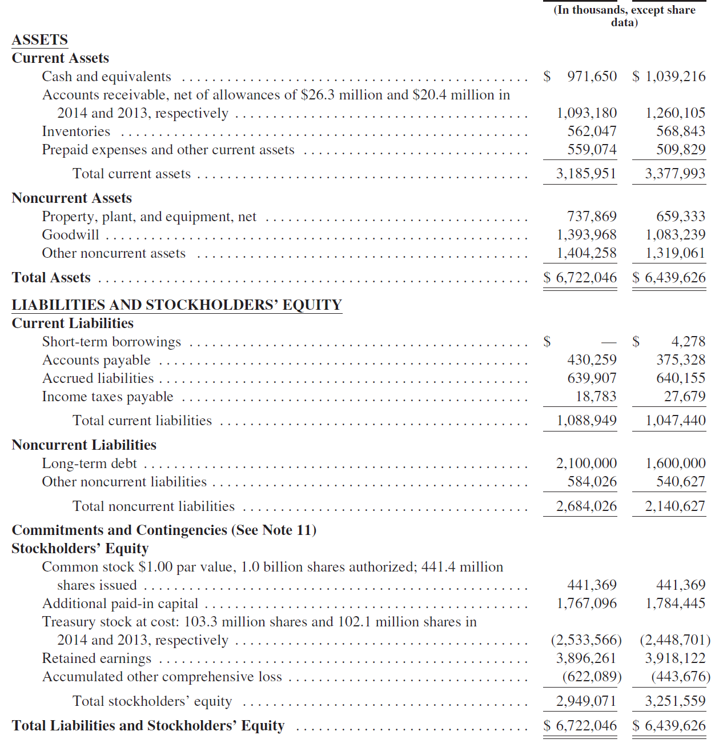

 | Goodwill calculation
 | Equity purchase price | 2,500,000.0

 | Shareholders' equity at book amount | 2,949,071.0
 | Step down existing goodwill to fair value | (1,393,968.0)
 | Shareholders' equity at fair value | 1,555,103.0

 | Deal goodwill | 944,897.0

Workout 10
 | Treviso Plc bought 100.0% of the equity capital of Rimini Ltd for 200.0MM. Treviso Plc also intends to refinance the debt of Rimini Ltd as part of the deal.
 | The transaction was funded by 2.0MM of balance sheet cash, an equity issuance with a value of 60.0MM and the remainder with new debt.
 | The PP&E of Rimini was valued at 20.0MM above book amount and it was agreed that brands, unrecognized on the balance sheet, had a fair value of 15.0MM.
 | Produce a sources and uses of funds, a goodwill calculation and the consolidated balance sheet using the information below.

 | Uses of funds
 | Purchase of equity in Rimini Ltd | 200.0
 | Retirement of Rimini Ltd debt | 192.9
 |  | 392.9

 | Sources of funds
 | Balance sheet cash | 2.0
 | Equity issuance | 60.0
 | Debt issuance | 330.9
 |  | 392.9

 | Goodwill calculation
 | Purchase price | 200.0

 | Shareholders' equity on balance sheet | 104.8
 | Step up of PP&E | 20.0
 | Step up of brands | 15.0
 | Step down of Rimini goodwill | (50.0)
 | Shareholders' equity at fair value | 89.8

 | Deal goodwill | 110.2

 |  | Treviso Plc | Rimini Ltd | Target SE | Financing | Goodwill | Combo
 | Cash | 7.3 | 5.5 |  | (2.0) |  | 10.7
 | Operating current assets | 127.4 | 145.6 |  |  |  | 273.0
 | PP&E | 345.8 | 195.7 |  |  | 20.0 | 561.5
 | Intangibles | 136.5 | 28.4 |  |  | 15.0 | 179.9
 | Goodwill | 91.0 | 50.0 |  |  | 60.2 | 201.2
 | Total assets | 708.0 | 425.1 |  |  |  | 1,226.3

 | Short term debt | 22.8 | 10.9 |  | (10.9) |  | 22.8
 | Operating current liabilities | 236.6 | 91.0 |  |  |  | 327.6
 | Long term debt | 290.3 | 182.0 |  | 148.9 |  | 621.2
 | Operating long term liabilities | 40.0 | 36.4 |  |  |  | 76.4
 | Total liabilities | 589.7 | 320.3 |  |  |  | 1,048.0

 | Common stock | 26.0 | 44.2 | (44.2) | 60.0 |  | 86.0
 | Retained earnings | 92.3 | 60.6 | (60.6) |  |  | 92.3
 | Total equity | 118.3 | 104.8 |  |  |  | 178.3
 | Total liabilities and equity | 708.0 | 425.1 |  |  |  | 1,226.3

Workout 11
 | Parma Plc bought 100.0% of the equity capital of Bergamo Plc for 1,950.0MM. Parma Plc also intends to pay down the debt of Bergamo Plc as part of the deal.
 | The transaction was funded by 10.0MM of balance sheet cash, a debt issuance of 250.0MM and the remainder with new equity.
 | The PP&E of Bergamo was valued at 1,650.0MM and it was agreed that intangibles were worth 450.0MM.
 | Produce a sources and uses of funds, a goodwill calculation and the consolidated balance sheet using the information below.

 | Uses of funds
 | Purchase of equity in Bergamo Plc | 1,950.0
 | Retirement of Bergamo Plc debt | 1,157.5
 |  | 3,107.5

 | Sources of funds
 | Balance sheet cash | 10.0
 | Equity issuance | 2,847.5
 | Debt issuance | 250.0
 |  | 3,107.5

 | Goodwill calculation
 | Purchase price | 1,950.0

 | Shareholders' equity on balance sheet | 628.7
 | Step up of PP&E | 476.1
 | Step up of brands | 279.7
 | Step down of Bergamo goodwill | (300.0)
 | Shareholders' equity at fair value | 1,084.4

 | Deal goodwill | 865.6

 |  | Parma Plc | Bergamo Plc | Target SE | Financing | Goodwill | Combo
 | Cash | 43.7 | 32.8 |  | (10.0) |  | 66.4
 | Operating current assets | 764.4 | 873.6 |  |  |  | 1,638.0
 | PP&E | 2,074.8 | 1,173.9 |  |  | 476.1 | 3,724.8
 | Intangibles | 819.0 | 170.3 |  |  | 279.7 | 1,269.0
 | Goodwill | 546.0 | 300.0 |  |  | 565.6 | 1,411.6
 | Total assets | 4,247.9 | 2,550.6 |  |  |  | 8,109.8

 | Short term debt | 136.5 | 65.5 |  | (65.5) |  | 136.5
 | Operating current liabilities | 1,419.6 | 546.0 |  |  |  | 1,965.6
 | Long term debt | 1,741.7 | 1,092.0 |  | (842.0) |  | 1,991.7
 | Operating long term liabilities | 240.2 | 218.4 |  |  |  | 458.6
 | Total liabilities | 3,538.1 | 1,921.9 |  |  |  | 4,552.5

 | Common stock | 156.0 | 265.2 | (265.2) | 2,847.5 |  | 3,003.5
 | Retained earnings | 553.8 | 363.5 | (363.5) |  |  | 553.8
 | Total equity | 709.8 | 628.7 |  |  |  | 3,557.3
 | Total liabilities and equity | 4,247.9 | 2,550.6 |  |  |  | 8,109.8

Workout 12
 | Modena is planning to offer to buy 100.0% of Genoa and wants to understand what the proforma income statement might look like for the following 12 months.
 | Current assumptions involve using 200.0MM of balance sheet cash, an issuance of debt of 1,500.0MM and an equity issuance of 1,000.0MM.
 | Forecast interest rates are 5.5% for deal debt and 1.0% for cash. SG&A synergies are expected to be 20.0MM per annum.
 | Deal goodwill is expected to be 960.0MM. The tax rate is 25.0%.
 | Using the forecast information given below, build the proforma income statement.
 |  | Modena | Genoa | Synergies | Financing | Combo
 | Sales | 4,400.0 | 1,350.0 |  |  | 5,750.0
 | COGS | 1,540.0 | 337.5 |  |  | 1,877.5
 | Gross profit | 2,860.0 | 1,012.5 |  |  | 3,872.5
 | SG&A | 1,760.0 | 607.5 | (20.0) |  | 2,347.5
 | Operating profit | 1,100.0 | 405.0 |  |  | 1,525.0
 | Interest income | 4.0 | 1.0 |  | (2.0) | 3.0
 | Interest expense | 150.0 | 60.0 |  | 82.5 | 292.5
 | Profit before tax | 954.0 | 346.0 |  |  | 1,235.5
 | Tax expense | 200.3 | 62.3 | 5.0 | (21.1) | 246.5
 | Net income | 753.7 | 283.7 |  |  | 989.0

 | Back up calculations

 | Combo interest income
 | Modena standalone interest income | 4.0
 | Genoa standalone interest income | 1.0
 | Interest income lost due to deal | (2.0)
 | Consolidated interest income | 3.0

 | Combo interest expense
 | Modena standalone interest expense | 150.0
...

