M&A Analysis
Merger Analysis
Workout Information

Workout 1
 | Calculate equity purchase price for Frogner using the following assumptions

 |  | Entry
 | Current share price | 34.15
 | Offer premium | 25.0%
 | Basic shares outstanding | 1,000.0
 | Weighted average shares outstanding | 1,050.0
 | Options outstanding | 220.0
 | Options strike price | 37.25
 | Restricted stock units outstanding | 100.0

 | Offer price
 | Basic shares outstanding
 | Dilution from options
 | Dilution from restricted stock units
 | Diluted shares outstanding
 | Equity purchase price

Workout 2
 | Calculate equity purchase price for Holmenkollen Pharma using information below.

 | Current share price | 5.06
 | Offer premium | 30.0%
 | Basic shares outstanding (mm) | 261.180
 | Assume average strike price for any outstanding options is 0.756


 | Options outstanding are detailed below.

 | Current share price
 | Offer premium
 | Offer price
 | Number of options (mm) | 8.432
 | Options strike price | 0.76
 | Dilution from options
 | Basic shares outstanding (mm)
 | Diluted shares outstanding (mm)
 | Equity purchase price

Workout 3
 | Using your answer to the previous question and the most recent balance sheet below, calculate acquisition enterprise value for Holmenkollen Pharma.
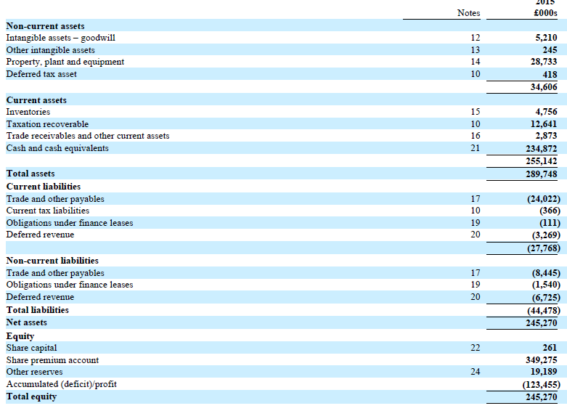

 | Acquisition equity value (from previous question)
 | Obligations under capital leases - short term
 | Obligations under capital leases - long term
 | Cash and equivalents
 | Acquisition enterprise value

Workout 4
 | Calculate acquisition enterprise value for Olaf Inc., using the information below.
 | Assume there is no adjustment required for pension plan assets and liabilities.
 | Provisions, other assets and other liabilities are operating.

 | Current share price | 251.50
 | Offer premium | 35.0%
 | Basic shares outstanding - class A (millions) | 160.0
 | Basic shares outstanding - class B (millions) | 702.6

 | Restricted stock units at latest balance sheet date

 | Options outstanding


 | Latest balance sheet (millions)
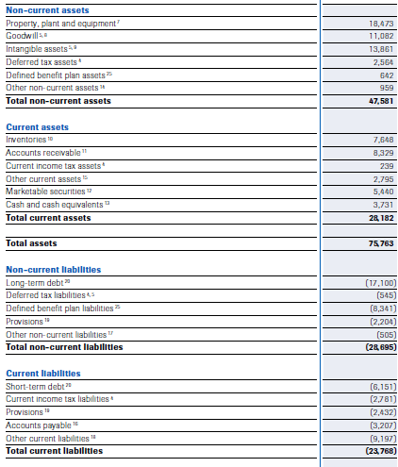

 | Current share price
 | Offer premium
 | Offer price

 | Basic shares outstanding - class A (millions)
 | Basic shares outstanding - class B (millions)
 | Basis shares outstanding

 | Options outstanding
 | Options strike price
 | Dilution from options

 | Dilution from restricted stock units

 | Diluted shares outstanding
 | Equity purchase price
 | Marketable securities
 | Cash and cash equivalents
 | Long term debt
 | Short term debt
 | Enterprise value

Workout 5
 | The equity of Nordstrand Plc. was acquired for 2,000.0
 | The acquirer used 30.0% equity financing to complete the acquisition.
 | Assume that Nordstrand net debt was not refinanced, there was no advisory fees, and no cash was used in the acquisition.
 | Construct the sources and uses of funds table.

 | Uses of funds
 | Equity purchase price
 | Total uses of funds

 | Sources of funds
 | Equity financing
 | Debt financing
 | Total sources of funds

Workout 6
 | Restate your answer to the previous workout assuming that Nordstrand's net debt of 1,200.0
 | was also refinanced in the transaction.

 | Uses of funds
 | Equity purchase price | 2,000.0
 | Refinanced net debt
 | Total uses of funds

 | Sources of funds
 | Equity financing
 | Debt financing
 | Total sources of funds | 0.0

Workout 7
 | Restate your answer to the previous workout assuming that total fees were 40.0.

 | Uses of funds
 | Equity purchase price | 2,000.0
 | Refinanced net debt
 | Transaction fees
 | Total uses of funds

 | Sources of funds
 | Equity financing
 | Debt financing
 | Total sources of funds | 0.0

Workout 8
 | Calculate the total amount of debt financing required to complete the acquisition of Oslo Fjord Plc using assumptions below.

 | Equity purchase price | 20,560.0
 | Refinanced net debt | 5,200.0
 | Percentage of equity price financed with equity | 42.0%
 | Advisory fees | 20.0
 | Debt issuance fees | 400.0
 | Equity issuance fees | 0.0

 | Uses of funds
 | Equity purchase price
 | Refinanced net debt
 | Advisory fees
 | Debt issuance fees
 | Equity fees
 | Total uses of funds

 | Sources of funds
 | Equity financing
 | Debt financing
 | Total sources of funds

Workout 9
 | Recalculate your answer to the previous question assuming that acquirer wants to use 1,000.0 in cash from its balance sheet to finance the acquisition.

 | Uses of funds
 | Equity purchase price
 | Refinanced net debt
 | Advisory fees
 | Debt issuance fees
 | Equity fees
 | Total uses of funds

 | Sources of funds
 | Cash from acquirer's balance sheet
 | Equity financing
 | Debt financing
 | Total sources of funds

Workout 10
 | Your assumptions for the Oslo Fjord acquisition have changed.
 | Now you believe the acquisition of the company will be 100.0% equity financed, and target net debt will not be refinanced.
 | Advisory fees stay the same at 20.0. There will be no debt issuance fees.
 | Equity issuance fees will go up to 250.0.
 | The acquirer will still use a maximum of 1,000.0 of its existing cash balance.

 | Uses of funds
 | Equity purchase price
 | Advisory fees
 | Equity fees
 | Total uses of funds

 | Sources of funds
 | Cash used from acquirer's balance sheet
 | Equity financing
 | Total sources of funds

Workout 11
 | State the needed information to fill out the sources and uses of funds table for Halden Company, using information below.
 | Assume net debt of Halden Company will be refinanced, and no cash will be used from the acquirer's balance sheet.

 | Current share price | 33.04
 | Share premium | 30.0%
 | Basic shares outstanding MM | 340.0
 | Equity financing (%) | 50.0%
 | Advisory fees (as % of acquisition EV) | 2.0%
 | Equity issuance fees (% of equity issued) | 1.0%
 | Debt issuance fees | 150.0

 | Options outstanding, in thousands | Restricted stock units, in thousands
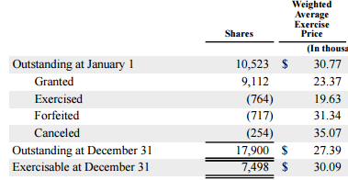
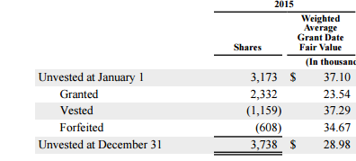

 | Most recent balance sheet, in thousands
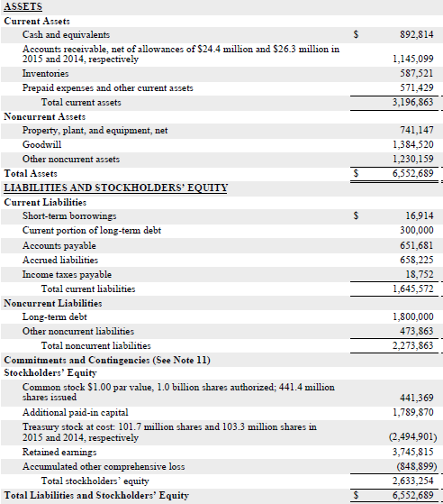

 | Current share price
 | Share premium
 | Offer price

 | Options outstanding
 | Options strike price
 | Dilution from options
 | Dilution from restricted stock units
 | Basic shares outstanding MM
 | Diluted shares outstanding
 | Fully diluted acquisition equity value

 | Long term debt
 | Current portion of long term debt
 | Short term borrowings
 | Cash and equivalents
 | Net debt

 | Acquisition enterprise value

 | Uses of funds
 | Fully diluted acquisition equity value
 | Net debt
 | Advisory fees
 | Equity issuance fees
 | Debt issuance fees
 | Total uses of funds

 | Sources of funds
 | Equity issuance
 | Debt issuance
 | Total sources of funds

Workout 12
 | Trysil Plc has acquired Hemsedal Co for 1,500.0. The acquisition is 100% financed with equity.
 | Expected SG&A synergies are 100.0 each year, and applicable tax rate is 30.0%
 | Using information below provide the proforma financials for the combo.

 | Acquisition price
 | Equity financing
 | SG&A synergies
 | Tax rate

 |  | Trysil Plc. | Hemsedal Co. | Adjustments | Combo
 | Sales | 1,500.0 | 1,000.0
 | EBITDA | 260.0 | 150.0
 | EBIT | 220.0 | 100.0
 | Net income | 130.0 | 50.0

Workout 13

 | Trysil Plc has acquired Hemsedal Co for 1,500.0. The acquisition is 100% financed with debt.
 | Expected S&GA synergies are 100.0 each year, and applicable tax rate is 30.0%, and interest on new debt is 6.0%.
 | Using information below provide the proforma financials for the combo.

 | Acquisition price | 1,500.0
 | Debt financing | 100.0%
 | SG&A synergies | 100.0
 | Interest rate on acquisition debt | 6.0%
 | Tax rate | 30.0%

 |  | Trysil Plc. | Hemsedal Co. | Adjustments | Combo
 | Sales | 1,500.0 | 1,000.0
 | EBITDA | 260.0 | 150.0
 | EBIT | 220.0 | 100.0
 | Net income | 130.0 | 50.0

Workout 14

 | Trysil Plc has acquired Hemsedal Co for 1,500.0. The acquisition is 50% financed with debt.
 | Expected S&GA synergies are 100.0 each year, and applicable tax rate is 30.0%, and interest on new debt is 6.0%.
 | Using information below provide the proforma financials for the combo.

 | Acquisition price | 1,500.0
 | Debt financing | 50.0%
 | SG&A synergies | 100.0
 | Interest rate on acquisition debt | 6.0%
 | Tax rate | 30.0%

 |  | Trysil Plc. | Hemsedal Co. | Adjustments | Combo
 | Sales | 1,500.0 | 1,000.0
 | EBITDA | 260.0 | 150.0
 | EBIT | 220.0 | 100.0
 | Net income | 130.0 | 50.0

Workout 15

 | Using the assumptions below calculate the exchange ratio and the number of new shares to be issued in the transaction.

 | Equity financing | 100.0%
 | SG&A synergies | 2,000.0

 |  | Buyer | Target
 | Current share price | 20.25 | 15.60
 | Acquisition premium | NA | 40.0%
 | Diluted shares outstanding | 1,670.0 | 1,200.0
 | Equity purchase price
 | New shares issued
 | Exchange ratio

Workout 16
 | Gardermoen has acquired 100% of Fornebu.
 | Calculate EPS accretion /(dilution) for the transaction.

 |  | Gardermoen | Fornebu
 | Current share price | 30.00 | 18.00
 | Acquisition premium | NA | 25.0%
 | Diluted shares outstanding | 600.0 | 250.0
 | Equity purchase price
 | % equity financing |  | 100.0%
 | Interest on acquisition debt |  | 5.0%
 | Marginal tax rate |  | 30.0%
 | Effective tax rate |  | 20.0%
 | SG&A synergies |  | 50.0
 | EPS | 2.07 | 1.36
 | Net income

 |  | Proforma
 | Combo net income - no adjustments
 | + Post tax synergies
 | Proforma net income

 | Acquirer shares outstanding
 | New shares issued in transaction
 | Proforma shares outstanding

 | Proforma EPS
 | EPS accretion / (dilution)

Workout 17
 | Gardermoen has acquired 100% of Fornebu.
 | Calculate EPS accretion /(dilution) for the transaction.

 |  | Gardermoen | Fornebu
 | Current share price | 30.00 | 18.00
 | Acquisition premium | NA | 25.0%
 | Diluted shares outstanding | 600.0 | 250.0
 | Equity purchase price
 | % equity financing |  | 0.0%
 | % debt financing |  | 100.0%
 | Interest on acquisition debt |  | 5.0%
 | Marginal tax rate |  | 30.0%
 | Effective tax rate |  | 20.0%
 | SG&A synergies |  | 50.0
 | EPS | 2.07 | 1.36
 | Net income

 |  | Proforma
 | Combo net income - no adjustments
 | + Post tax synergies
 | - Post tax interest on debt
 | Proforma net income

 | Acquirer shares outstanding
 | New shares issued in transaction
 | Proforma shares outstanding

 | Proforma EPS
 | EPS accretion / dilution

Workout 18
 | Gardermoen has acquired 100% of Fornebu.
 | Calculate EPS accretion /(dilution) for the transaction.

 |  | Gardermoen | Fornebu
 | Current share price | 30.00 | 18.00
 | Acquisition premium | NA | 25.0%
 | Diluted shares outstanding | 600.0 | 250.0
 | Equity purchase price
 | % equity financing |  | 50.0%
 | % debt financing |  | 50.0%
 | Interest on acquisition debt |  | 5.0%
 | Marginal tax rate |  | 30.0%
 | Effective tax rate |  | 20.0%
 | SG&A synergies |  | 50.0
 | EPS | 2.07 | 1.36
 | Net income

 |  | Proforma
 | Combo net income - no adjustments
 | + Post tax synergies
 | - Post tax interest on debt
 | Proforma net income

 | Acquirer shares outstanding
 | New shares issued in transaction
 | Proforma shares outstanding

 | Proforma EPS
 | EPS accretion / dilution

Workout 19
 | Using your calculations from the previous workout calculate relative acquirer P/E, acquisition P/E and debt P/E.
 | Determine if the transaction would be accretive / (dilutive) using:
 | a) 100% equity
 | b) 100% debt
 | Assume no synergies.

 | Acquirer P/E
 | Debt P/E
 | Acquisition P/E

Workout 20
 | How would your answer to previous workout change if acquirer's share price went up to 40.0.
 | Assume no synergies.

 | Acquirer P/E
 | Debt P/E
 | Acquisition P/E

Workout 21
 | Oslo acquired 100% of Bergen.
 | Calculate accretion / (dilution) for the transaction and pre tax synergies that the combo has to achieve in order to achieve EPS accretion / (dilution) neutrality.

 |  | Oslo | Bergen
 | Current share price | 56.00 | 133.00
 | Acquisition premium | NA | 35.0%
 | Purchase price
 | Diluted shares outstanding | 1,456.0 | 260.0
 | Equity purchase price
 | % equity financing |  | 50.0%
 | % debt financing |  | 50.0%
 | Interest on acquisition debt |  | 5.0%
 | Marginal tax rate |  | 30.0%
 | Effective tax rate |  | 20.0%
 | EPS | 12.56 | 20.50
 | Net income

 |  | Proforma
 | Combo net income - no adjustments
 | - Post tax interest on debt
 | Proforma net income

 | Acquirer shares outstanding
 | New shares issued in transaction
 | Proforma shares outstanding

 | Proforma EPS
 | EPS accretion / dilution

 | Proforma EPS
 | Acquirer EPS
 | EPS shortfall
 | Net income shortfall
 | Pre tax synergies to achieve EPS neutrality
 | Pre tax synergies to achieve EPS neutrality (via fast formula)

Workout 22
 | Jarlsberg acquired 100% of Kavli.
 | Calculate accretion / (dilution) for the transaction and pre tax synergies that the combo has to achieve in order to achieve EPS accretion / (dilution) neutrality.

 |  | Jarlsberg | Kavli
 | Current share price | 12.20 | 6.30
 | Acquisition premium | NA | 30.0%
 | Purchase price
 | Diluted shares outstanding | 1,456.0 | 260.0
 | Equity purchase price
 | % equity financing |  | 70.0%
 | % debt financing |  | 30.0%
 | Interest on acquisition debt |  | 7.0%
 | Marginal tax rate |  | 26.0%
 | EPS | 1.34 | 0.62
 | Net income

 |  | Proforma
 | Combo net income - no adjustments
 | - Post tax interest on debt
 | Proforma net income

 | Acquirer shares outstanding
 | New shares issued in transaction
 | Proforma shares outstanding

 | Proforma EPS
 | EPS accretion / (dilution)

 | Pre tax synergies to achieve EPS neutrality (via fast formula)

Workout 23
 | A-Ha acquired 100% of Teigen.
 | Using the assumptions below, calculate the combo net debt / EBITDA ratio.
 | Assume A-Ha did not use any cash in transaction, and net debt of the target was refinanced.

 |  | A-Ha | Teigen
 | Sales | 1,000.0 | 500.0
 | Operating expenses | 600.0 | 250.0
 | EBIT
 | Depreciation and amortization | 150.0 | 84.0
 | EBITDA
 | Pre tax SG&A synergies |  | 120.0
 | Acquisition price |  | 1,100.0
 | % equity financing |  | 0.0%
 | % debt financing |  | 100.0%
 | Debt | 1,100.0 | 210.0
 | Cash | 143.0 | 42.0
 | Net debt

 | Debt issued in the transaction to buy target equity
 | Combo net debt
 | Combo EBITDA
 | Combo net debt / EBITDA

Workout 24
 | Would your answer to previous workout change if Teigen's net debt was not refinanced ?

Workout 25
 | Bjorn acquired 100% of Vegard.
 | Bjorn wants to keep its current credit rating post deal.
 | Calculate the maximum debt capacity for the combo, and additional debt Bjorn can issue in the transaction, if cut off for Bjorn's current credit rating is 3.0x debt / EBITDA

 |  | Bjorn | Vegard
 | Sales | 1,000.0 | 500.0
 | Operating expenses | 600.0 | 250.0
 | EBIT
 | Depreciation and amortization | 150.0 | 84.0
 | EBITDA
 | Pre tax SG&A synergies |  | 120.0
 | Equity purchase price |  | 1,100.0
 | % equity financing |  | 0.0%
 | % debt financing |  | 100.0%
 | Debt | 1,100.0 | 210.0
 | Cash | 143.0 | 42.0
 | Net debt

 | Combo EBITDA
 | Maximum debt / EBITDA ratio | 3.0 x
 | Maximum combo debt
 | Current Bjorn's debt
 | Current Vegard's debt
 | Maximum additional debt financing

Workout 26
 | Cool Toys is looking into acquiring Trendy Toys.
 | Cool Toys is currently rated BBB and is not willing to lose its current credit rating.
 | The cut off for BBB rated in toys and packaged goods industry is 3.0x debt / EBITDA.
 | Using the information below calculate the maximum amount of debt CoolToys can raise in the transaction.
 | If Cool Toys uses debt and equity consideration only, what is the percentage of cash consideration it can offer to Trendy Toys.

 | Cool Toys forecast year 1 EBITDA | 956.6
 | Trendy Toys forecast year 1 EBITDA | 938.7
 | Forecast synergies | 200.0
 | Trendy Toys share price | 67.36
 | Premium on top of acquisition price | 25.0%
 | Diluted shares outstanding | 128.0
 | Trendy Toys debt is not refinanced in the transaction

 | Assume there are no debt repayments scheduled neither for Cool Toys nor for Trendy Toys.

 | Most recent balance sheet of Cool Toys, all figures are in thousands.
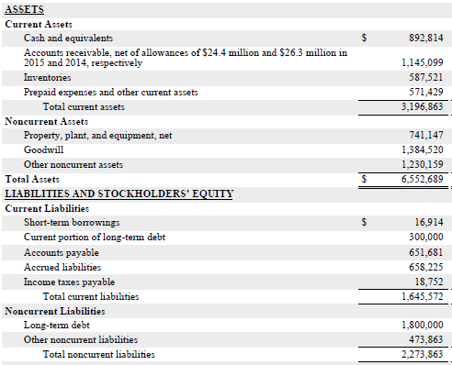

 | Most recent balance sheet of Trendy Toys, all figures are in thousands.
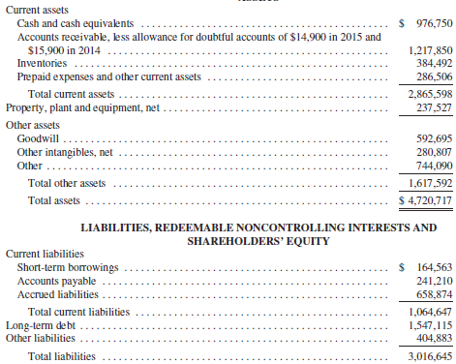

 | Cool Toys forecast year 1 EBITDA
 | Trendy Toys forecast year 1 EBITDA
 | Forecast synergies
 | Combo proforma EBITDA

 | Maximum debt / EBITDA multiple | 3.0 x
 | Maximum debt

 | Cool Toys short term debt
 | Cool Toys current portion of long term debt
 | Cool Toys long term debt
 | Trendy Toys short term debt
 | Trendy Toys long term debt
 | Total existing debt

 | Additional debt to be raised in the transaction

 | Trendy Toys share price
 | Premium on top of acquisition price
 | Acquisition share price
 | Diluted shares outstanding
 | Acquisition equity value

 | Maximum % cash consideration

Workout 27
 | Rex acquired Ruby in an all stock deal.
 | Calculate Rex's proforma ownership and the exchange ratio offered to Ruby's shareholders using assumptions below.

 |  | Rex | Ruby
 | Share price | 15.00 | 6.00
 | Shares outstanding | 100.0 | 50.0
 | Share premium |  | 30.0%
 | Acquisition price | NA
 | Market capitalization
 | Equity purchase price | NA

 |  | No shares | Ownership
 | New shares issued in acquisition
 | Acquirer shares outstanding
 | Total shares outstanding
 | Exchange ratio (new for old)

Workout 28
 | Penguin acquired Flamingo in a part cash part stock deal.
 | Calculate Penguin's proforma ownership and the exchange ratio offered and cash per share to Flamingo's shareholders using assumptions below.

 |  | Penguin | Flamingo
 | Share price | 21.00 | 10.00
 | Shares outstanding | 120.0 | 50.0
 | Share premium |  | 30.0%
 | Net debt | 650.0 | 50.0
 | % equity financing |  | 75.0%
 | Acquisition price | NA
 | Market capitalization
 | Equity purchase price | NA
 | Transaction fees |  | 5.0
 | Flamingo's debt to be refinanced |  | Yes
 | Acquirer's cash used |  | 15.0

 | Uses of funds
 | Equity purchase price
 | Refinanced net debt
 | Transaction fees
 | Total uses of funds

 | Sources of funds
 | Acquirer's cash used
 | Equity financing raised
 | Debt financing raised
 | Total sources of funds

 |  | No shares | Ownership
 | New shares issued
 | Acquirer shares outstanding
 | Proforma shares
 | Exchange ratio
 | Cash per share

Workout 29
 | Printer acquired Fax for a premium of 2,000.0.
 | The forecast synergies are 50.0, 100.0, and 200.0 in the first three years of the transaction respectively.
 | The synergies are expected to stay flat after year 3.
 | Calculate value created / (destroyed) using the assumptions below.

 | Fax's existing net debt | 400.0
 | Marginal tax rate | 30.0%
 | Effective tax rate | 35.0%
 | Fax's WACC | 7.0%
 | Risk premium | 3.0%
 | Discount rate
 | No midyear adjustment required

 |  |  | Year 1 | Year 2 | Year 3
 | Pre tax synergies |  | 50.0 | 100.0 | 200.0
 | Post tax synergies
 | Terminal value
 | Discount factor
 | PV of cash flows
 | Sum of present values of cash flows
 | Present value of terminal value
 | Value of synergies

 | Acquisition premium | 2,000.0
 | Value created / (destroyed)

Workout 30
 | Printer acquired Fax for 2,000.0.
 | The forecast synergies are 50.0, 100.0, and 200.0 in the first three years of the transaction respectively.
 | The synergies are expected to stay flat after year 3.
 | Calculate the return on beginning invested capital one year post deal.

 | Fax's share price | 10.0
 | Number of shares outstanding | 200.0
 | Fax's existing net debt | 400.0
 | Fax's EBIT, year 1 | 150.0
 | Effective tax rate | 30.0%
 | Marginal tax rate | 35.0%
 | Fax's WACC | 7.0%
 | Risk premium | 3.0%
 | Discount rate | 10.0%

 |  | Year 0 | Year 1
 | Fax's EBIT
 | Effective tax rate
 | Fax's NOPAT

 | Synergies |  | 50.0
 | Marginal tax rate
 | Synergies post tax

 | NOPAT adjusted for synergies

 | Acquisition equity value | 2,000.0
 | Fax's existing net debt
 | Acquisition enterprise value

 | ROIC

Workout 31
 | Cats Inc. acquired the equity of Dogs for 10,000.0 using 50% debt and 50% equity.
 | Create a proforma balance sheet for Cats and Dogs using financials below.

 |  | Cats | Dogs | Adjustments | Proforma
 | Cash | 1,000.0 | 2,000.0
 | Accounts receivable | 2,500.0 | 1,450.0
 | Inventories | 5,000.0 | 2,690.0
 | Total current assets
 | PP&E | 6,000.0 | 2,400.0
 | Goodwill | 1,000.0 | 340.0
 | Total assets

 | Short term debt | 1,000.0 | 800.0
 | Accounts payable | 1,200.0 | 350.0
 | Total short term liabilities
 | Long term debt | 3,800.0 | 1,050.0
 | Total liabilities
 | Shareholders equity | 9,500.0 | 6,680.0
 | Total liabilities and shareholder's equity

 | Equity purchase price | 10,000.0
 | Total uses of funds

 | Equity financing issued
 | Debt financing issued
 | Total sources of funds

 | Purchase price

 | Target's net assets
 | - Existing target goodwill
 | Target's identifiable net assets

 | Goodwill

Workout 32
 | Jupiter acquired the equity of Mars.
 | Calculate proforma equity balance for the combined entity using the assumptions below.

 | Jupiter's balance sheet equity | 50.0
 | Mars' balance sheet equity | 25.0
 | % equity financing | 70.0%
 | Equity purchase price | 200.0
 | Proforma equity

Workout 33
 | Jupiter acquired the equity of Mars.
 | Calculate proforma debt balance for the combined entity using assumptions below.

 | Jupiter's balance sheet debt | 125.0
 | Mars' balance sheet debt, not to be refinanced | 236.0
 | % equity financing | 70.0%
 | Acquisition price | 200.0
 | Proforma debt

Workout 34
 | Saturn is acquiring Mercury in an M&A transaction.
 | Perform Analysis at Various Prices for the transaction using the table below.
 |  |  |  |  |  |  |  | LTM | EV/
 | % Premium | Share price | Shares out. | Mkt. cap. | Debt | Cash | EV | EBITDA | LTM EBITDA
 | 0.0% | 10.00 | 100.0 |  | 300.0 | 50.0 |  | 120.0

