Workout
Private Equity Acquisition Analysis
Workout Information

Workout 1
 | Calculate IRRs and fill in the table for the four scenarios below.

 |  | Entry | Exit Case 1 | Exit Case 2 | Exit Case 3 | Exit Case 4
 | EBITDA | 300.0 | 340.0 | 300.0 | 340.0 | 340.0
 | EBITDA multiple | 7.0 x | 7.0 x | 8.0 x | 7.0 x | 6.0 x
 | Enterprise value | 2,100.0 | 2,380.0 | 2,400.0 | 2,380.0 | 2,040.0
 | Debt amount | 1,500.0 | 1,500.0 | 1,200.0 | 1,000.0 | 1,500.0
 | Debt/EBITDA multiple | 5.0 x | 4.4 x | 4.0 x | 2.9 x | 4.4 x
 | Equity | 600.0 | 880.0 | 1,200.0 | 1,380.0 | 540.0
 | Exit year |  | 3.0 | 3.0 | 3.0 | 3.0
 | IRR |  | 13.6% | 26.0% | 32.0% | (3.5%)
 | Value created |  | 280.0 | 600.0 | 780.0 | (60.0)

 | Calculate the extent to which each variable below has contributed to value creation.
 | Debt repayment |  | 0.0 | 300.0 | 500.0 | 0.0
 | EBITDA improvement |  | 280.0 | 0.0 | 280.0 | 280.0
 | Multiple expansion/(contraction) |  | 0.0 | 300.0 | 0.0 | (340.0)
 | Value created |  | 280.0 | 600.0 | 780.0 | (60.0)

Workout 2
 | Calculate the IRR, value from EBITDA improvement, value from multiple expansion and value from debt repayment for the leveraged buy out transaction below.

 |  | Entry | Exit
 | EV/ EBITDA multiple | 6.0 x | 7.5 x
 | EBITDA | 587.0 | 655.0
 | Time horizon, years |  | 4.0
 | Debt | 2,000.0 | 1,300.0
 | Enterprise value | 3,522.0 | 4,912.5
 | Equity | 1,522.0 | 3,612.5
 | IRR |  | 24.1%
 | Total value created |  | 2,090.5
 | Value from debt repayment |  | 700.0
 | Value created from EBITDA improvement |  | 408.0
 | Value created from multiple expansion |  | 982.5
 | Total value created |  | 2,090.5

Workout 3
 | A private equity fund is looking at acquiring PetsRus, a pet supplies retailer.
 | PetsRus have a LTM EBITDA of 1,100 and similar companies have been recently sold at 9.5x EBITDA multiple,
 | and raised 5.5x debt / EBITDA in debt financing.
 | The private equity fund believes that PetsRus will be able to pay down 1,400.0 of debt and grow its EBITDA at an average rate of 5.0% per year.
 | The required return on the transaction is 25.0%, the investment horizon is 5 years
 | What is the maximum amount of equity consideration the private equity house will be willing to contribute on entry?
 | Assume the relative valuation of PetsRus is not going to change.

 | LTM EBITDA | 1,100.0
 | EV/EBITDA valuation multiple, exit | 9.5 x
 | Debt financing multiple | 5.5 x
 | Total debt repaid | 1,400.0
 | EBITDA growth rate | 5.0%
 | Required IRR | 25.0%
 | Transaction time horizon, years | 5.0

 | Debt raised in transaction | 6,050.0
 | Total debt remaining at exit | 4,650.0
 | EBITDA, exit | 1,403.9
 | Enterprise value, exit | 13,337.1
 | Equity, exit | 8,687.1

 | Equity, entry | 2,846.6

Workout 4
 | Private equity fund acquired the equity of Pumpkin Co for 10,000.0.
 | Its LTM EBITDA is 1,200.0 and the total amount of net debt to be refinanced as a result of the acquisition is 3,560.0
 | The banks have agreed to provide 4.5 x EBITDA senior debt and 1.0 x mezzanine financing.
 | Calculate the required equity financing to complete the transaction.

 | Equity purchase price | 10,000.0
 | LTM EBITDA | 1,200.0
 | Refinanced net debt | 3,560.0
 | Senior debt EBITDA multiple | 4.5 x
 | Mezzanine EBITDA multiple | 1.0 x

 | Uses of funds
 | Equity purchase price | 10,000.0
 | Refinanced net debt | 3,560.0
 | Total uses of funds | 13,560.0

 | Sources of funds
 | Senior debt financing | 5,400.0
 | Mezzanine loan | 1,200.0
 | Equity financing | 6,960.0
 | Total sources of funds | 13,560.0

Workout 5
 | PE Co is considering acquiring ExaCo. Extracts from ExaCo's forecast figures are given below.
 | PE Co has provided you with the sources of funds it would use to acquire ExaCo.
 | PE Co would like to know how much of the acquisition debt could be paid down over the intended ownership period of 3 years.
 | Calculate the ending balance of term loan A, term loan B and mezzanine loan at the end of year 3.
 | Assume there are no mandated repayments scheduled for any of the debt tranches.
 | Assume all cash flows available for debt repayment will be directed towards paying off debt via a cash sweep.
 | Assume interest is calculated on the beginning debt balances.

 | Sources of funds at acquisition |  | Interest
 |  | Amount | Cash / PIK | Interest rate
 | Term loan A | 500.0 | Cash | 5.0%
 | Term loan B | 200.0 | Cash | 6.0%
 | Mezzanine loan | 100.0 | PIK | 10.0%
 | Equity | 300.0

 | Cash flow statement extract | Year 0 | Year 1 | Year 2 | Year 3

 | EBITDA |  | 150.0 | 157.5 | 165.4
 | Cash taxes |  | (25.0) | (26.3) | (27.6)
 | Changes in operating working capital |  | (5.0) | (5.3) | (5.5)
 | CAPEX |  | (20.0) | (21.0) | (22.1)
 | Cash flows available for debt service |  | 100.0 | 105.0 | 110.3

 | Interest on term A |  | (25.0) | (21.9) | (18.3)
 | Interest on term B |  | (12.0) | (12.0) | (12.0)
 | Cash flow available for debt repayment |  | 63.0 | 71.2 | 80.0

 | Repayment of term A |  | (63.0) | (71.2) | (80.0)
 | Repayment of term B |  | 0.0 | 0.0 | 0.0
 | Net cash flow |  | 0.0 | 0.0 | 0.0

 | Cash balance | 0.0 | 0.0 | 0.0 | 0.0

 | Term A
 | Beginning balance |  | 500.0 | 437.0 | 365.9
 | Repayment |  | (63.0) | (71.2) | (80.0)
 | Ending balance | 500.0 | 437.0 | 365.9 | 285.9
 | Interest expense |  | 25.0 | 21.9 | 18.3

 | Term B
 | Beginning balance |  | 200.0 | 200.0 | 200.0
 | Repayment |  | 0.0 | 0.0 | 0.0
 | Ending balance | 200.0 | 200.0 | 200.0 | 200.0
 | Interest expense |  | 12.0 | 12.0 | 12.0

 | Mezzanine loan
 | Beginning balance |  | 100.0 | 110.0 | 121.0
 | PIK interest |  | 10.0 | 11.0 | 12.1
 | Ending balance | 100.0 | 110.0 | 121.0 | 133.1

Workout 6
 | MarbleWorks Plc is financed with bank loans that require adherence to 3 covenants.
 | Using the operating forecast below determine the year in which each covenant might be breached.

 | Covenants
 | Debt / EBITDA | < 4.5x
 | Interest cover (EBITDA /cash interest expense) | > 3.5x
 | Total assets / total debt | > 120%

 | Balance sheet extract |  | Year 1 | Year 2 | Year 3 | Year 4 | Year 5

 | Total assets |  | 1,380.0 | 1,505.0 | 1,630.0 | 1,755.0 | 1,880.0
 | Revolver |  | 15.0 | 20.0 | 0.0 | 95.0 | 3.0
 | Term loan A |  | 600.0 | 590.0 | 470.0 | 300.0 | 0.0
 | Term loan B |  | 150.0 | 150.0 | 150.0 | 150.0 | 150.0
 | Term loan C |  | 150.0 | 150.0 | 150.0 | 150.0 | 150.0
 | Mezzanine (PIK) |  | 100.0 | 100.0 | 100.0 | 100.0 | 100.0
 | Senior unsecured notes |  | 75.0 | 75.0 | 75.0 | 75.0 | 75.0

 | Income statement extract |  | Year 1 | Year 2 | Year 3 | Year 4 | Year 5
 | EBITDA |  | 272.5 | 271.3 | 170.9 | 217.5 | 275.6
 | Interest on revolver |  | 0.8 | 1.0 | 0.0 | 6.2 | 0.2
 | Interest on term loan A |  | 30.0 | 29.5 | 23.5 | 19.5 | 0.0
 | Interest on term loan B |  | 9.0 | 9.0 | 9.0 | 11.3 | 11.3
 | Interest on term loan C |  | 10.5 | 10.5 | 10.5 | 12.8 | 12.8
 | Interest on mezzanine (PIK) |  | 10.0 | 10.0 | 10.0 | 10.0 | 10.0
 | Interest on senior unsecured notes |  | 7.5 | 7.5 | 7.5 | 7.5 | 7.5

 | Total assets |  | 1,380.0 | 1,505.0 | 1,630.0 | 1,755.0 | 1,880.0
 | Total debt |  | 1,090.0 | 1,085.0 | 945.0 | 870.0 | 478.0
 | Total assets / total debt |  | 126.6% | 138.7% | 172.5% | 201.7% | 393.3%

 | Total debt |  | 1,090.0 | 1,085.0 | 945.0 | 870.0 | 478.0
 | EBITDA |  | 272.5 | 271.3 | 170.9 | 217.5 | 275.6
 | Total debt / EBITDA |  | 4.0 | 4.0 | 5.5 | 4.0 | 1.7

 | EBITDA |  | 272.5 | 271.3 | 170.9 | 217.5 | 275.6
 | Total cash interest expense |  | 57.8 | 57.5 | 50.5 | 57.2 | 31.7
 | EBITDA / total cash interest expense |  | 4.7 | 4.7 | 3.4 | 3.8 | 8.7

 | Both the debt / EBITDA and interest cover covenants are breached in year 3.

Workout 7
 | A private equity firm is looking into acquiring Indigo Plc.
 | Calculate acquisition enterprise value.

 | Indigo's share price | 15.00
 | Acquisition premium | 20.0%
 | Basic shares outstanding | 570.00
 | Options outstanding | 100.00
 | Options strike price | 16.50
 | Net debt | 2,489.00

 | Acquisition share price | 18.00
 | Dilution from options | 8.3
 | Diluted shares outstanding | 578.3
 | Equity purchase price | 10,410.0
 | Acquisition enterprise value | 12,899.0

Workout 8
 | Using the following information calculate the acquisition enterprise value for CreamyDelights Inc.
 | State your answer in millions.

 | Shares outstanding MM | 63.2
 | Current share price | 11.95
 | Acquisition premium | 20.0%
 | Cash and equivalents | 50.8
 | Finance leases and long term debt | 73.8
 | Short term debt | 11.9

 | Below are Creamy Delights options outstanding schedule.

 | Acquisition share price | 14.34

 | Options calculations | Number | Strike price | Dilution
 | Tranche 1 | 0.870 | 2.65 | 0.709
 | Tranche 2 | 0.953 | 7.14 | 0.478
 | Tranche 3 | 0.273 | 18.58 | 0.000
 | Total dilution |  |  | 1.187

 | Diluted shares outstanding | 64.4
 | Equity purchase price | 923.1
 | Net debt | 34.8
 | Acquisition enterprise value | 957.9

Workout 9
 | Using your answer to the previous workout and LTM income statement below, calculate the percentage of consideration that
 | will be accounted for by equity, to complete the acquisition of CreamyDelights. Assume the banks are willing to lend at
 | 7.0x debt / LTM EBITDA and (gains) and losses on commodity derivatives are recurring items.
 | Assume the acquirer will refinance CreamyDelights' net debt.

 | All income statement numbers are in thousands. Present your workings in millions.
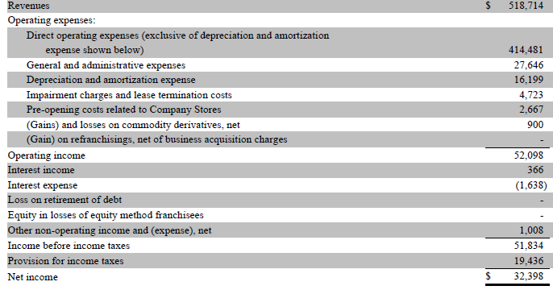

 | Operating income | 52.1
 | Impairment charges and lease termination costs | 4.7
 | Depreciation and amortization | 16.2
 | LTM EBITDA | 73.0

 | Debt / LTM EBITDA multiple | 7.0 x
 | Debt financing available | 511.1

 | Uses of funds
 | Equity purchase price | 923.1
 | Refinanced net debt | 34.8
 | Total uses of funds | 957.9

 | Sources of funds
 | Debt financing available | 511.1
 | Required equity check | 446.8
 | Total sources of funds | 957.9
 | Percentage of equity to total consideration | 46.6%

Workout 10
 | The CreamyDelights deal now includes fees. Using the figures below, restate the percentage of equity to total consideration required
 | to complete the transaction (from the previous question), if advisory fees are 1.5% of acquisition enterprise value and debt financing fees are 2% of debt issued.

 | Acquisition enterprise value | 957.9
 | Debt financing available | 511.1
 | Equity purchase price | 923.1
 | Net debt | 34.8

 | Advisory fees | 1.5%
 | Acquisition enterprise value | 957.9
 | Advisory fees | 14.4

 | Debt issuance fees | 2.0%
 | Debt financing available | 511.1
 | Debt issuance fees | 10.2

 | Uses of funds
 | Equity purchase price | 923.1
 | Net debt | 34.8
 | Advisory fees | 14.4
 | Debt issuance fees | 10.2
 | Total uses of funds | 982.5

 | Sources of funds
 | Debt financing available | 511.1
 | Equity financing | 471.4
 | Total sources of funds | 982.5
 | Percentage of equity to total consideration | 48.0%

Workout 11
 | Using information below calculate the maximum premium a private equity firm will be willing to pay in a leveraged buyout of HackneyTulips Plc.
 | There are 4 potential scenarios. Assume no transaction fees.

 |  | Entry | Exit 1 | Exit 2 | Exit 3 | Exit 4
 | HackneyTulips current share price | 20.10
 | Fully diluted number of shares outstanding | 1,000.0
 | Net debt (to be refinanced) | 900.0
 | EBITDA | 2,000.0 | 3,000.0 | 3,000.0 | 3,000.0 | 2,000.0
 | Debt financing available | 14,000.0
 | Debt repaid |  | 10,000.0 | 10,000.0 | 8,000.0 | 10,000.0
 | Exit year |  | 4.0 | 4.0 | 4.0 | 4.0
 | Exit multiple |  | 10.5 x | 12.0 x | 10.5 x | 10.5 x
 | Required IRR |  | 20.0% | 20.0% | 25.0% | 20.0%

 | Enterprise value, exit |  | 31,500.0 | 36,000.0 | 31,500.0 | 21,000.0
 | Debt, exit |  | 4,000.0 | 4,000.0 | 6,000.0 | 4,000.0
 | Equity value, exit |  | 27,500.0 | 32,000.0 | 25,500.0 | 17,000.0
 | Maximum equity entry |  | 13,262.0 | 15,432.1 | 10,444.8 | 8,198.3

 | Uses of funds
 | Equity purchase price |  | 26,362.0 | 28,532.1 | 23,544.8 | 21,298.3
 | Net debt |  | 900.0 | 900.0 | 900.0 | 900.0
 | Total uses of funds |  | 27,262.0 | 29,432.1 | 24,444.8 | 22,198.3

 | Sources of funds
 | Debt financing |  | 14,000.0 | 14,000.0 | 14,000.0 | 14,000.0
 | Equity check |  | 13,262.0 | 15,432.1 | 10,444.8 | 8,198.3
 | Total sources of funds |  | 27,262.0 | 29,432.1 | 24,444.8 | 22,198.3

 | Maximum purchase price |  | 26.36 | 28.53 | 23.54 | 21.30
 | Maximum premium |  | 31.2% | 42.0% | 17.1% | 6.0%

Workout 12
 | Using information below calculate the offer premium a private equity firm will be willing to pay for PadlockSecurity in a leveraged buy out transaction.
 | PadlockSecurity does not have any dilutive securities, its existing debt will be refinanced in the transaction.

 | Required IRR | 20.0%
 | Debt financing available, as a multiple of LTM EBITDA | 4.5 x
 | Advisory fees, million | 15.0
 | Debt issuance fees, million | 10.0
 | Exit multiple (EV/EBITDA) | 8.5 x
 | EBITDA % growth per year | 7.0%
 | Exit year | 4.0
 | % of debt repaid | 60.0%
 | Current share price | 26.73
 | Basic shares outstanding | 48.9694

 | LTM income statement extract. Assume other operating expense is core, continuing and controlled, and Padlock Security had 15.3 million
 | of restructuring costs in operating expenses, and depreciation and amortization was 139.9 million

 | Latest balance sheet at the time of the transaction.
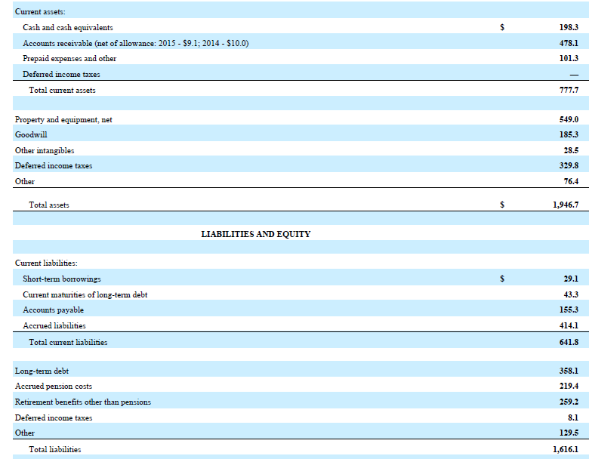

 | EBITDA, entry and exit
 | Operating profit | 56.6
 | Depreciation and amortization | 139.9
 | Restructuring costs in COGS and SG&A | 15.3
 | LTM EBITDA | 211.8
 | Exit multiple | 8.5 x
 | EBITDA growth rate | 7.0%
 | Transaction time frame, years | 4.0
 | EBITDA, exit | 277.6
 | Enterprise value, exit | 2,359.8

 | Debt, entry and exit
 | Multiple of debt financing available | 4.5 x
 | Debt financing available | 953.1
 | % of debt repaid | 60.0%
 | Debt, exit | 381.2

 | Equity value, exit and entry
 | Equity value, exit | 1,978.6
 | Required IRR | 20.0%
 | Equity value, entry | 954.2

 | Cash | 198.3
 | Short term borrowings | 29.1
 | Current maturities of long term debt | 43.3
 | Long term debt | 358.1
 | Net debt | 232.2

 | Uses of funds
 | Equity purchase price | 1,650.1
 | Refinanced net debt | 232.2
 | Advisory fees | 15.0
 | Debt financing fees | 10.0
 | Total uses of funds | 1,907.3

 | Sources of funds
 | Debt financing | 953.1
 | Equity financing | 954.2
 | Total sources of funds | 1,907.3

 | Current share price | 26.73
 | Basic shares outstanding | 49.0
 | Market capitalization | 1,309.0
 | Equity purchase price | 1,650.1
 | % premium | 26.1%
End

